Sheet1
m/z | z | RT | Obs Mass | FC Slope with respect to 12ca5 | FC Slope with respect to BeadsOnly | Slope of Prot of Interest vs All Others | Slope Plot
473.98568152 | 4 | 3132.2179807 | 1891.9135261 | -264620.06172 | 17.283118882 | 172831.18882 | 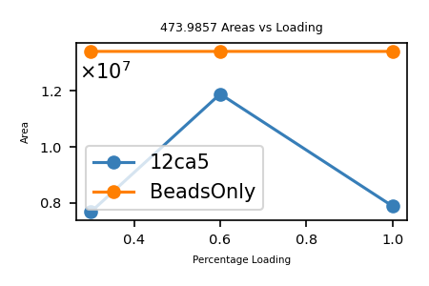
565.95103552 | 3 | 2896.3451937 | 1694.8312066 | -9567302.1641 | 13.819454561 | 138194.54561 | 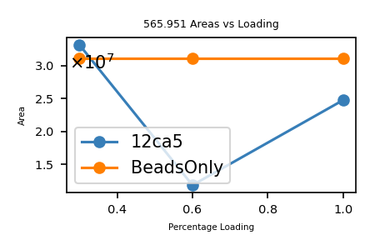
470.74565381 | 2 | 2522.1382254 | 939.47670761 | -1902837.8006 | 13.736963436 | 137369.63436 | 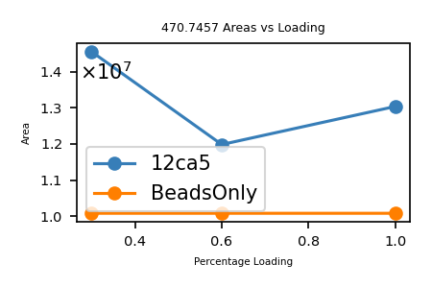
473.7437518 | 2 | 3051.4956595 | 945.4729036 | -906041.92054 | 13.561527324 | 135615.27324 | 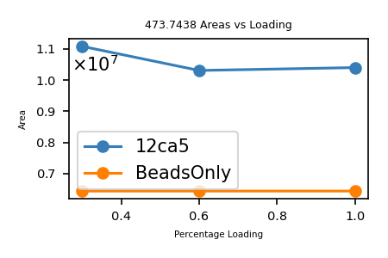
435.98860399 | 2 | 3152.4726974 | 869.96260798 | -6571802.2561 | 13.393550488 | 133935.50488 | 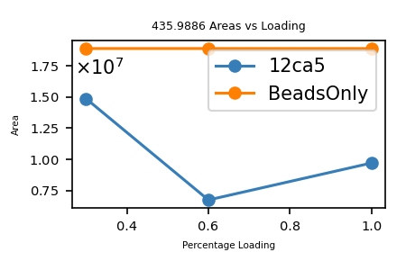
476.24010015 | 2 | 2629.3567798 | 950.4656003 | -2113266.8803 | 12.900108714 | 129001.08714 | 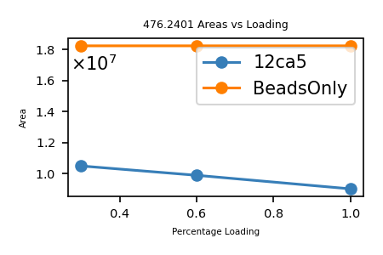
445.71789679 | 2 | 2138.8698326 | 889.42119357 | -451843.55496 | 12.704220283 | 127042.20283 | 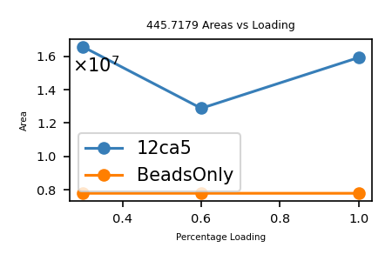
588.31154723 | 3 | 4152.6559254 | 1761.9127417 | -1173339.3068 | 11.988160286 | 119881.60286 | 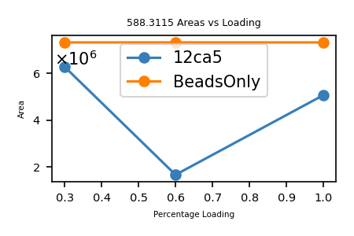
410.74191117 | 2 | 2179.6557946 | 819.46922234 | -446293404.77 | 11.773953653 | 117739.53653 | 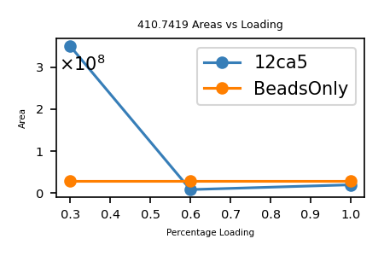
605.28954373 | 3 | 3256.050381 | 1812.8467312 | -4335709.0862 | 11.474832461 | 114748.32461 | 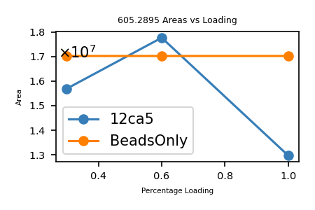
435.48150562 | 2 | 3313.1111362 | 868.94841123 | -2762621.3833 | 10.732267147 | 107322.67147 | 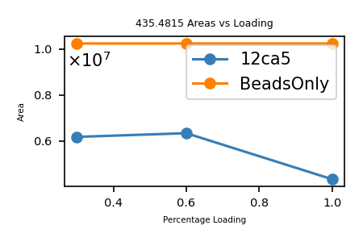
416.46666716 | 2 | 2533.9175875 | 830.91873431 | -9456517.4267 | 10.535033452 | 105350.33452 | 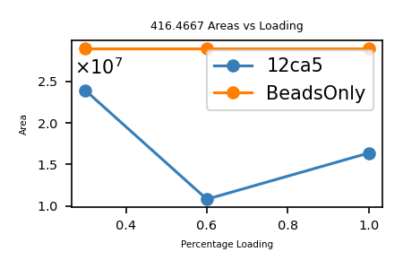
410.23049406 | 4 | 3339.2169025 | 1636.8927762 | -26482436.013 | 10.355600876 | 103556.00876 | 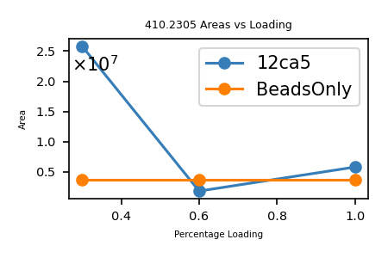
410.220056 | 4 | 1465.7621494 | 1636.851024 | -3005897.3172 | 10.240836765 | 102408.36765 | 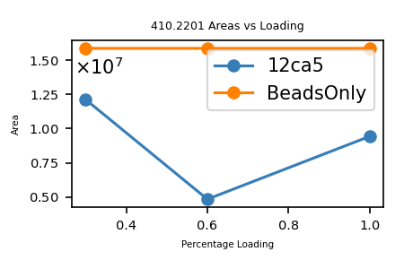
454.72612427 | 2 | 2661.882692 | 907.43764854 | -2333951.1256 | 10.139773717 | 101397.73717 | 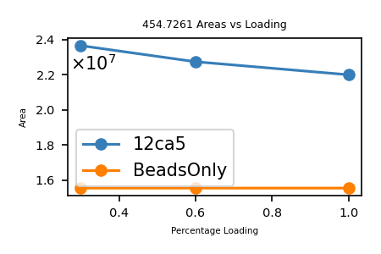
445.97745604 | 2 | 1813.8694142 | 889.94031208 | -149500.19966 | 9.9295320496 | 99295.320496 | 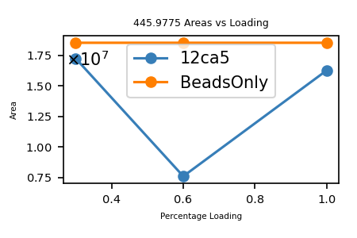
467.24525392 | 2 | 2256.6256072 | 932.47590785 | -4912243.1215 | 9.8342562816 | 98342.562816 | 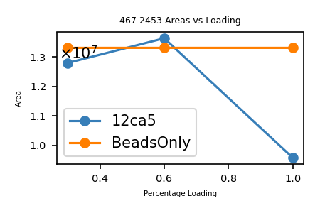
443.50309022 | 2 | 2334.6180843 | 884.99158045 | -6136088.3681 | 9.739712286 | 97397.12286 | 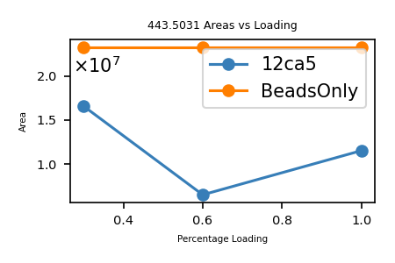
457.73879399 | 4 | 2426.7441468 | 1826.9259759 | -941632.27906 | 9.676215852 | 96762.15852 | 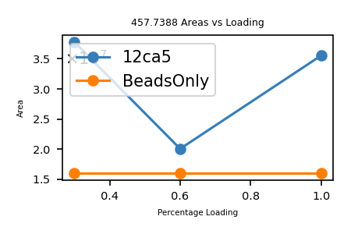
445.00539564 | 2 | 2308.0788956 | 887.99619128 | -67078617.79 | 9.5721541399 | 95721.541399 | 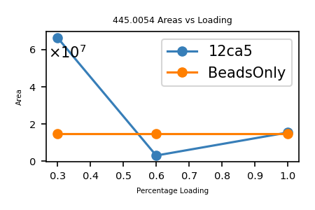
442.49497969 | 4 | 1843.6315481 | 1765.9507188 | -1814833.634 | 9.4996473686 | 94996.473686 | 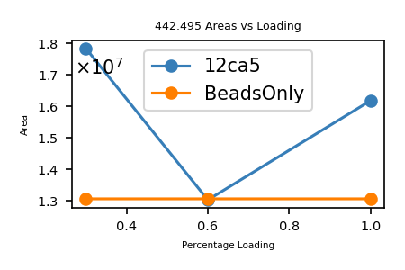
477.74590062 | 2 | 2740.736362 | 953.47720124 | -1566276.1247 | 9.2404102329 | 92404.102329 | 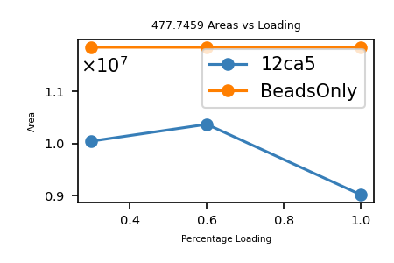
464.48565743 | 2 | 2537.8621677 | 926.95671485 | -5236304.4856 | 9.1759457651 | 91759.457651 | 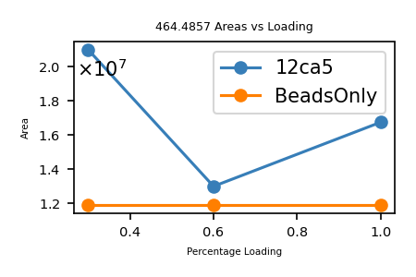
457.47682018 | 2 | 2821.9223035 | 912.93904037 | -2878969.688 | 8.9594095832 | 89594.095832 | 
399.48860557 | 4 | 2282.8669886 | 1593.9252223 | -12850187.947 | 8.7247441905 | 87247.441905 | 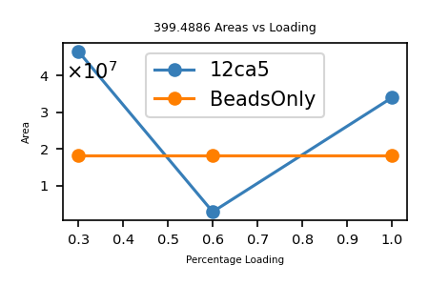
423.98582912 | 4 | 2061.4836664 | 1691.9141165 | -9990740.6488 | 8.5764989522 | 85764.989522 | 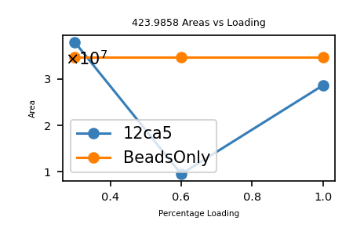
562.6250478 | 3 | 3756.6356942 | 1684.8532434 | -2392155.2845 | 8.5208560095 | 85208.560095 | 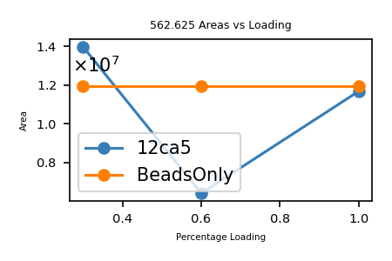
364.64431188 | 3 | 1634.1124873 | 1090.9110356 | -37942812.73 | 8.375979711 | 83759.79711 | 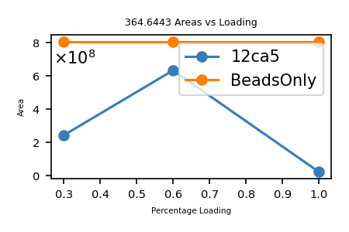
481.73699972 | 2 | 2592.2092536 | 961.45939943 | -722927.99477 | 8.3646195397 | 83646.195397 | 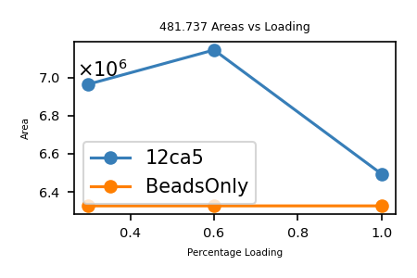
455.72451625 | 4 | 2287.6754995 | 1818.868865 | -2433628.2403 | 8.3619447114 | 83619.447114 | 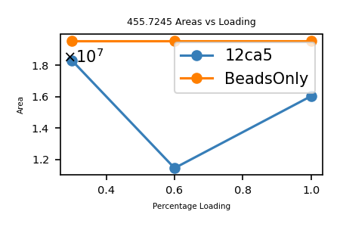
472.48662824 | 2 | 2707.180154 | 942.95865648 | -1921861.27 | 8.3600818413 | 83600.818413 | 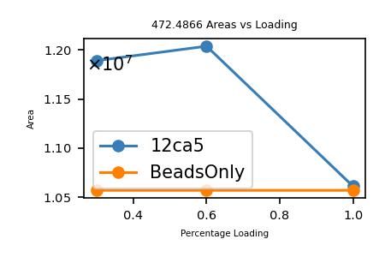
432.23888867 | 2 | 3097.2585612 | 862.46317734 | -8448144.0861 | 8.3341546553 | 83341.546553 | 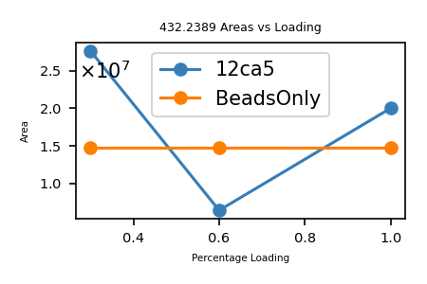
454.22365906 | 2 | 2807.7360265 | 906.43271813 | -4258929.315 | 8.3184048801 | 83184.048801 | 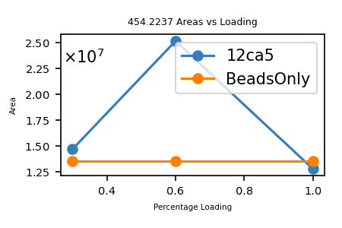
456.73935174 | 4 | 2034.7204396 | 1822.9282069 | -5824924.504 | 8.2902966115 | 82902.966115 | 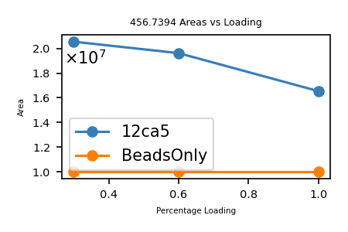
455.47073065 | 4 | 2893.0035174 | 1817.8537226 | -2496054.8426 | 8.0741534332 | 80741.534332 | 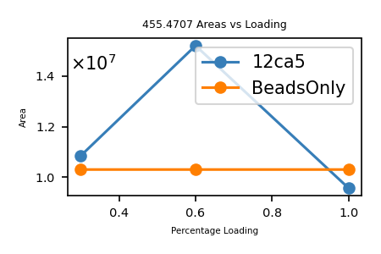
344.20322331 | 5 | 1865.6958173 | 1715.9796165 | -31081797.71 | 8.0213450588 | 80213.450588 | 
433.21833066 | 4 | 1928.3981264 | 1728.8441226 | -85305.932895 | 7.9952817485 | 79952.817485 | 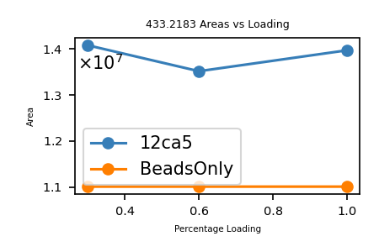
459.97443876 | 4 | 2659.9043401 | 1835.8685551 | -9658595.187 | 7.9779801599 | 79779.801599 | 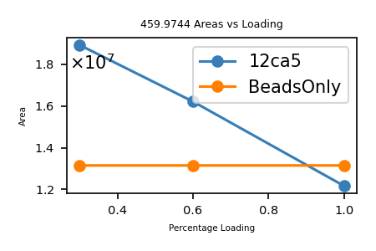
481.74028524 | 2 | 3596.8186454 | 961.46597047 | -979487.70173 | 7.9696416755 | 79696.416755 | 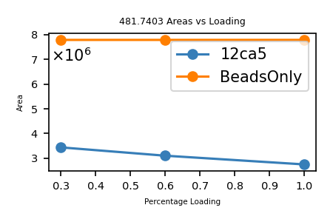
436.73426585 | 2 | 1655.2579779 | 871.45393171 | -948190.28293 | 7.9623779101 | 79623.779101 | 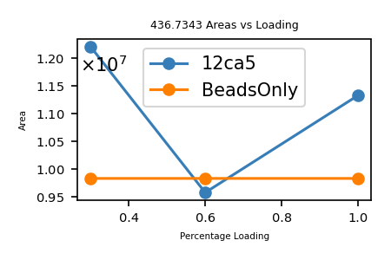
434.23050968 | 2 | 2080.4107428 | 866.44641935 | -2412390.8462 | 7.9341575756 | 79341.575756 | 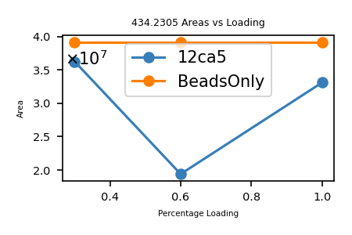
455.73313481 | 4 | 3294.3911763 | 1818.9033393 | -1839804.781 | 7.8583891892 | 78583.891892 | 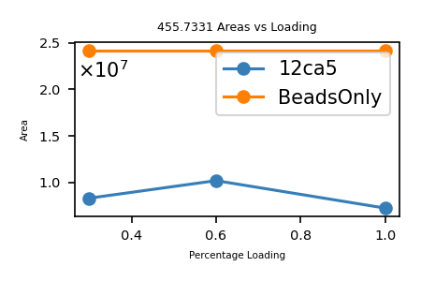
610.96008571 | 3 | 3825.1110765 | 1829.8583571 | -515443.94866 | 7.8409160905 | 78409.160905 | 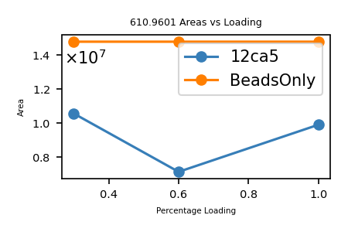
432.96486961 | 2 | 1912.191976 | 863.91513921 | -5478834.4296 | 7.6484746348 | 76484.746348 | 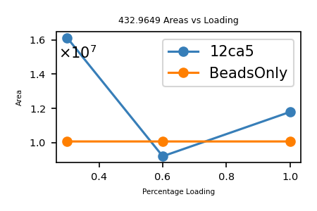
564.95410886 | 3 | 2524.9804215 | 1691.8404266 | -10147034.615 | 7.5933822878 | 75933.822878 | 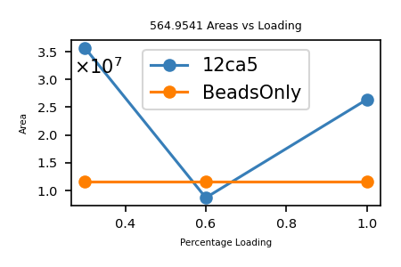
436.7379359 | 2 | 2877.0368147 | 871.46127179 | -8721166.639 | 7.569537474 | 75695.37474 | 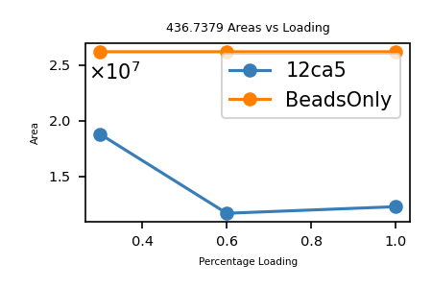
328.38789834 | 5 | 1359.4498766 | 1636.9029917 | -777774.56509 | 7.5441315939 | 75441.315939 | 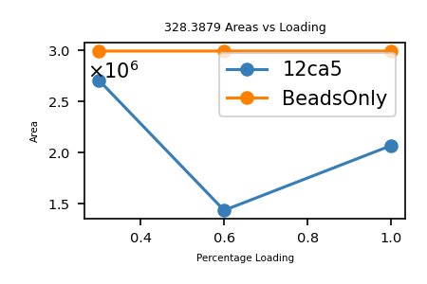
431.97696117 | 4 | 2025.4315774 | 1723.8786447 | -3474823.2876 | 7.4813491639 | 74813.491639 | 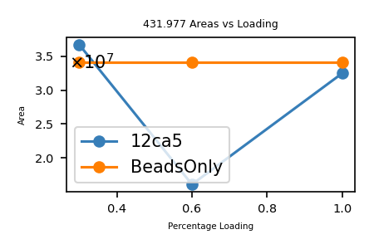
430.7287817 | 4 | 2794.5817037 | 1718.8859268 | -110374.87546 | 7.4460838809 | 74460.838809 | 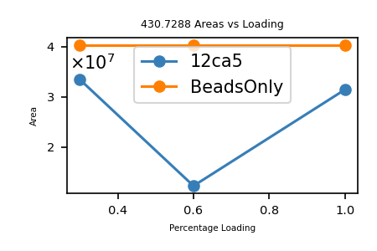
508.7599671 | 2 | 3282.0429278 | 1015.5053342 | -1049319.8187 | 7.4406701099 | 74406.701099 | 
473.23512187 | 2 | 2809.9811822 | 944.45564374 | -9952625.8595 | 7.350661145 | 73506.61145 | 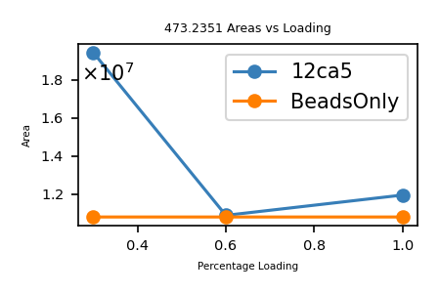
497.24529865 | 2 | 2795.8330162 | 992.4759973 | -8498782.022 | 7.2928227335 | 72928.227335 | 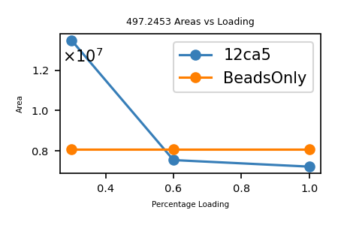
461.22859148 | 4 | 2491.5122985 | 1840.8851659 | -4215218.5145 | 7.2412884602 | 72412.884602 | 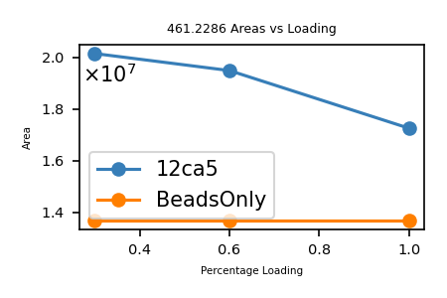
478.24089202 | 2 | 2805.5221538 | 954.46718404 | -959415.56502 | 7.1781273396 | 71781.273396 | 
453.7335714 | 4 | 3018.5573545 | 1810.9050856 | -9052554.2947 | 7.0983524309 | 70983.524309 | 
419.47767792 | 2 | 1365.6384351 | 836.94075584 | -452482.98245 | 7.0476351418 | 70476.351418 | 
439.23667249 | 2 | 1035.9778645 | 876.45874498 | -187718.37857 | 7.0153551213 | 70153.551213 | 
560.63724071 | 3 | 3595.0902156 | 1678.8898221 | -2005472.7912 | 6.8863703718 | 68863.703718 | 
425.23570892 | 2 | 2939.1552954 | 848.45681783 | -3613102.2545 | 6.8420151057 | 68420.151057 | 
357.40129264 | 5 | 1374.5770966 | 1781.9699632 | -3152707.0314 | 6.8263491001 | 68263.491001 | 
447.49716735 | 2 | 2663.2490039 | 892.97973469 | -639074.61827 | 6.8057463449 | 68057.463449 | 
426.47574477 | 4 | 1650.554958 | 1701.8737791 | -2283281.9426 | 6.7996133728 | 67996.133728 | 
481.74496869 | 2 | 3045.6008474 | 961.47533737 | -3265407.2525 | 6.6469895937 | 66469.895937 | 
381.9710779 | 2 | 1680.7714373 | 761.9275558 | -2507745.1936 | 6.6335743488 | 66335.743488 | 
462.74072823 | 2 | 2761.2726687 | 923.46685646 | -14031330.426 | 6.628620549 | 66286.20549 | 
456.75521832 | 2 | 2359.397157 | 911.49583663 | -4736850.9531 | 6.6064097097 | 66064.097097 | 
642.97527347 | 3 | 3791.0215681 | 1925.9039204 | -1430300.7683 | 6.5727921362 | 65727.921362 | 
424.21410862 | 4 | 2569.3826774 | 1692.8272345 | -8107.3072489 | 6.5481975965 | 65481.975965 | 
466.24964656 | 2 | 2733.4290433 | 930.48469312 | -5237826.4374 | 6.5187309354 | 65187.309354 | 
457.47445594 | 4 | 2657.0199673 | 1825.8686238 | -3636707.3672 | 6.5103125437 | 65103.125437 | 
408.23279604 | 4 | 1498.4165662 | 1628.9019842 | -96939719.719 | 6.5071607584 | 65071.607584 | 
403.71861216 | 2 | 1152.2163918 | 805.42262433 | -1813970.2767 | 6.4819060084 | 64819.060084 | 
548.29021368 | 3 | 4209.4211635 | 1641.848741 | -937342.72608 | 6.4731478959 | 64731.478959 | 
419.69950691 | 2 | 2157.5686819 | 837.38441381 | -385295.88418 | 6.4671555692 | 64671.555692 | 
467.48089248 | 2 | 3305.6578345 | 932.94718495 | -1432913.5477 | 6.4002494757 | 64002.494757 | 
413.74280826 | 2 | 2279.2214863 | 825.47101652 | -938850286.14 | 6.3871511222 | 63871.511222 | 
459.24608723 | 4 | 3076.9198331 | 1832.9551489 | -4191614.8668 | 6.3684174715 | 63684.174715 | 
385.46995233 | 2 | 1899.7159956 | 768.92530465 | -5279017.9551 | 6.3454300821 | 63454.300821 | 
456.49196971 | 4 | 3341.015929 | 1821.9386788 | -1704988.7231 | 6.3367037316 | 63367.037316 | 
452.48051684 | 2 | 2318.7335069 | 902.94643369 | -10502578.367 | 6.2801229527 | 62801.229527 | 
500.49573284 | 2 | 3245.3770448 | 998.97686569 | -661472.1038 | 6.2658126996 | 62658.126996 | 
387.20573574 | 4 | 1921.5543163 | 1544.793743 | -1169454.9744 | 6.2502957266 | 62502.957266 | 
469.00095829 | 2 | 3495.2409138 | 935.98731658 | -946297.129 | 6.1782239882 | 61782.239882 | 
449.22681576 | 2 | 2563.8972829 | 896.43903152 | -2025185.7652 | 6.1227546159 | 61227.546159 | 
454.2392443 | 4 | 1854.7987787 | 1812.9277772 | -435195.59221 | 6.0540058274 | 60540.058274 | 
457.48046052 | 2 | 2500.2310985 | 912.94632104 | -10481756.512 | 5.9875396432 | 59875.396432 | 
649.64299782 | 3 | 3733.4993524 | 1945.9070935 | -1981422.1355 | 5.9704958282 | 59704.958282 | 
402.23562381 | 2 | 1456.4843783 | 802.45664762 | -5188360.888 | 5.8982950861 | 58982.950861 | 
438.49973726 | 2 | 2227.962942 | 874.98487452 | -19084213.108 | 5.8610462118 | 58610.462118 | 
461.74358259 | 2 | 3175.4719334 | 921.47256519 | -3827682.1506 | 5.7742710002 | 57742.710002 | 
414.24418386 | 2 | 2204.8532596 | 826.47376772 | -356923604.65 | 5.7317241437 | 57317.241437 | 
445.47306105 | 4 | 2873.9989581 | 1777.8630442 | -1929122.708 | 5.7183686579 | 57183.686579 | 
449.91198174 | 4 | 3811.5101709 | 1795.618727 | -9303288.451 | 5.6885543327 | 56885.543327 | 
463.00414308 | 4 | 1976.7633023 | 1847.9873723 | -3781114.6891 | 5.6645529268 | 56645.529268 | 
467.48954977 | 2 | 3191.1054706 | 932.96449953 | -31813.56475 | 5.6492037161 | 56492.037161 | 
423.47993185 | 4 | 2008.4562578 | 1689.8905274 | -103289688.86 | 5.6368645075 | 56368.645075 | 
535.28692662 | 3 | 3137.59416 | 1602.8388799 | -436876.85299 | 5.5887759841 | 55887.759841 | 
440.74767641 | 4 | 1445.9556854 | 1758.9615056 | -4757705.4208 | 5.5335335281 | 55335.335281 | 
460.23646949 | 2 | 3413.7906473 | 918.45833898 | -2355407.2755 | 5.5329726003 | 55329.726003 | 
439.24589814 | 2 | 1382.577285 | 876.47719628 | -29903.093975 | 5.5171010086 | 55171.010086 | 
436.24251644 | 2 | 1281.4209318 | 870.47043289 | -3915970.0993 | 5.5085233402 | 55085.233402 | 
498.25944767 | 3 | 3361.5006083 | 1491.756443 | -1957932.4384 | 5.4894056158 | 54894.056158 | 
359.20988002 | 5 | 1240.5408528 | 1791.0129001 | -1304082.9094 | 5.4893179387 | 54893.179387
484.5023622 | 2 | 3542.2606809 | 966.99012439 | -944543.20965 | 5.4848505572 | 54848.505572
417.22450171 | 2 | 1495.8115927 | 832.43440343 | -4141877.3591 | 5.4706954985 | 54706.954985
566.63210832 | 3 | 3515.5456001 | 1696.874425 | -6304396.0911 | 5.4590526839 | 54590.526839
360.99989162 | 5 | 1780.767617 | 1799.9629581 | -56746.169652 | 5.4563198838 | 54563.198838
481.4885745 | 4 | 3297.0969643 | 1921.925098 | -7083842.791 | 5.4161417982 | 54161.417982
427.73143062 | 4 | 1370.9511911 | 1706.8965225 | -2219643.1217 | 5.4122108606 | 54122.108606
564.29957716 | 3 | 3069.5357192 | 1689.8768315 | -172531177.44 | 5.3818107119 | 53818.107119
460.97687893 | 2 | 2674.7601653 | 919.93915787 | -5115198.9304 | 5.3257326583 | 53257.326583
443.23157821 | 4 | 1347.7045801 | 1768.8971128 | -8623060.2873 | 5.303762762 | 53037.62762
471.73851621 | 2 | 2468.8700896 | 941.46243242 | -6071242.1916 | 5.2809520724 | 52809.520724
398.73476287 | 4 | 1278.3308836 | 1590.9098515 | -1565633.9933 | 5.2781969654 | 52781.969654
445.48472549 | 4 | 1814.798719 | 1777.909702 | -4193953.4996 | 5.2209387919 | 52209.387919
408.96502626 | 2 | 1163.6934705 | 815.91545251 | -867144.9386 | 5.203964463 | 52039.64463
415.47301834 | 2 | 1145.376888 | 828.93143667 | -1831111.6203 | 5.1923049522 | 51923.049522
436.48480228 | 4 | 1411.1387134 | 1741.9100091 | -4192331.3526 | 5.1497132491 | 51497.132491
457.48905042 | 4 | 2956.0909185 | 1825.9270017 | -5756005.0338 | 5.1014776118 | 51014.776118
465.23592756 | 4 | 3237.2930713 | 1856.9145103 | -1028346.5047 | 5.0607817754 | 50607.817754
418.73184276 | 2 | 1114.0455464 | 835.44908552 | -1458655.9471 | 5.0410289293 | 50410.289293
455.50097075 | 4 | 1302.964323 | 1817.974683 | -1995840.3985 | 5.0382699233 | 50382.699233
441.47472626 | 2 | 1665.1331296 | 880.93485252 | -776192.24979 | 5.0358671689 | 50358.671689
454.73687368 | 2 | 2939.8325585 | 907.45914735 | -11025490.515 | 5.033666882 | 50336.66882
437.22847579 | 2 | 3275.3980027 | 872.44235158 | -2899664.2552 | 5.0271251393 | 50271.251393
460.49481136 | 2 | 1551.3408635 | 918.97502273 | -1351343.9476 | 4.9902069665 | 49902.069665
422.46880968 | 2 | 1776.0004903 | 842.92301935 | -3089412.0398 | 4.928427745 | 49284.27745
451.98041638 | 4 | 2994.0834357 | 1803.8924655 | -5872014.3039 | 4.8441112625 | 48441.112625
427.49218317 | 4 | 1132.2663847 | 1705.9395327 | -2397482.3409 | 4.8210220911 | 48210.220911
438.50037438 | 2 | 2145.3221248 | 874.98614875 | -33616302.932 | 4.8073683916 | 48073.683916
446.23985477 | 2 | 2199.3078512 | 890.46510954 | -2838167.5265 | 4.7981782457 | 47981.782457
467.74144932 | 2 | 2879.4999147 | 933.46829864 | -775582.35632 | 4.7932626212 | 47932.626212
406.47458585 | 4 | 1384.0496011 | 1621.8691434 | -7860456.9465 | 4.7838061649 | 47838.061649
431.7156723 | 2 | 2700.371942 | 861.41674459 | -3816311.242 | 4.7468601925 | 47468.601925
356.40676314 | 5 | 1362.7093742 | 1776.9973157 | -1535629.0192 | 4.7433312916 | 47433.312916
399.47237601 | 2 | 2696.2566363 | 796.93015202 | -5375908.0169 | 4.7417873365 | 47417.873365
449.73073553 | 2 | 2518.1919645 | 897.44687105 | -609439.86977 | 4.7366423601 | 47366.423601
434.73927751 | 2 | 3075.4955596 | 867.46395501 | -329435498.17 | 4.7185085376 | 47185.085376
546.96548808 | 3 | 3736.5626287 | 1637.8745642 | -1802885.5353 | 4.7102460295 | 47102.460295
457.98469842 | 4 | 2388.5843907 | 1827.9095937 | -4572693.6056 | 4.7037660926 | 47037.660926
597.63078994 | 3 | 3667.9343181 | 1789.8704698 | -3600156.4083 | 4.6886644952 | 46886.644952
459.73446263 | 4 | 3273.3078197 | 1834.9086505 | -467493.38434 | 4.6788193625 | 46788.193625
415.73441886 | 2 | 1201.5968863 | 829.45423772 | -219805.41811 | 4.6458963909 | 46458.963909
426.73711564 | 2 | 1015.3194984 | 851.45963128 | -1047903.5908 | 4.6430822921 | 46430.822921
460.99991979 | 4 | 1460.7132986 | 1839.9704792 | -4034180.9969 | 4.6086143838 | 46086.143838
337.79119441 | 5 | 1200.4068894 | 1683.919472 | -31028.859686 | 4.5901903163 | 45901.903163
450.24245339 | 2 | 1438.8925506 | 898.47030679 | -1220331.0387 | 4.5453463807 | 45453.463807
405.22103965 | 2 | 1248.2711504 | 808.4274793 | -2802596.6601 | 4.521999811 | 45219.99811
439.2474796 | 2 | 1017.2971017 | 876.48035919 | -3446655.5604 | 4.5163477057 | 45163.477057
351.795442 | 5 | 1787.4237484 | 1753.94071 | -1388384.8113 | 4.4603043457 | 44603.043457
407.21272619 | 4 | 2192.5090746 | 1624.8217047 | -5086302.4663 | 4.4588736262 | 44588.736262
466.48740533 | 2 | 3205.275611 | 930.96021066 | -5001965.4486 | 4.4455493672 | 44455.493672
416.73103968 | 2 | 1200.5451624 | 831.44747937 | -3655315.4279 | 4.4202969653 | 44202.969653
600.95205782 | 3 | 3942.412979 | 1799.8342735 | -517608.71583 | 4.3815927008 | 43815.927008
413.99368427 | 2 | 1277.3215333 | 825.97276853 | -807785.83266 | 4.3057472944 | 43057.472944
466.2493391 | 2 | 1410.1592566 | 930.48407821 | -618880.12495 | 4.2900441447 | 42900.441447
422.73825255 | 4 | 1873.9733934 | 1686.9238102 | -18289287.07 | 4.2645910833 | 42645.910833
423.72556591 | 2 | 985.04313782 | 845.43653182 | -82610.936219 | 4.2258133727 | 42258.133727
435.2184464 | 2 | 2723.3740573 | 868.4222928 | -80551.703798 | 4.222378281 | 42223.78281
405.23239851 | 2 | 1638.6472385 | 808.45019702 | -8018428.9648 | 4.2170010319 | 42170.010319
442.72578352 | 4 | 2499.3761504 | 1766.8739341 | -6214001.0625 | 4.2137774379 | 42137.774379
409.23526459 | 4 | 1196.4635433 | 1632.9118584 | -5142062.5945 | 4.1679417553 | 41679.417553
441.74182521 | 2 | 1439.66512 | 881.46905042 | -4417722.2299 | 4.147219627 | 41472.19627
402.95847142 | 4 | 2709.6415527 | 1607.8046857 | -951384.27521 | 4.1455800518 | 41455.800518
424.47478386 | 2 | 1445.7876333 | 846.93496772 | -1444912.8702 | 4.141923971 | 41419.23971
397.96719292 | 2 | 1372.5856566 | 793.91978584 | -1682835.2221 | 4.1271319867 | 41271.319867
425.22091057 | 4 | 1507.5651277 | 1696.8544423 | -2391765.5906 | 4.1122310027 | 41122.310027
445.9813389 | 4 | 2602.5524641 | 1779.8961556 | -2052950.0678 | 4.1024100904 | 41024.100904
461.99895852 | 4 | 2136.5192645 | 1843.9666341 | -4256354.1903 | 4.081263664 | 40812.63664
319.30401633 | 5 | 2528.0878205 | 1591.4835816 | -73014020.045 | 4.0780901197 | 40780.901197
436.22042854 | 4 | 1596.0017837 | 1740.8525141 | -2364061.3538 | 4.0697930212 | 40697.930212
451.2313869 | 4 | 3257.1854917 | 1800.8963476 | -2177049.8483 | 4.066031152 | 40660.31152
380.0049506 | 5 | 1336.0027748 | 1894.988253 | -1771939.1169 | 4.049948083 | 40499.48083
443.24717685 | 2 | 1413.9469175 | 884.4797537 | -1015851.1049 | 3.9885899989 | 39885.899989
413.72423869 | 2 | 2957.3680176 | 825.43387739 | -4412159.2273 | 3.9404781314 | 39404.781314
467.72470881 | 2 | 2709.5523445 | 933.43481761 | -441230.52373 | 3.9354515904 | 39354.515904
407.97998573 | 2 | 1168.4486363 | 813.94537145 | -1232546.1472 | 3.9034226162 | 39034.226162
408.47485792 | 2 | 1294.3544825 | 814.93511584 | -1111952.3905 | 3.896396619 | 38963.96619
436.74473125 | 4 | 2127.0894812 | 1742.949725 | -5135072.0833 | 3.8847424014 | 38847.424014
548.30334383 | 3 | 4054.6820672 | 1641.8881315 | -181102.64349 | 3.8724144988 | 38724.144988
442.98786421 | 4 | 1381.6594171 | 1767.9222569 | -2734168.3646 | 3.8553910549 | 38553.910549
452.23477153 | 2 | 1698.6698803 | 902.45494307 | -2093961.5175 | 3.8523898754 | 38523.898754
409.21474205 | 2 | 1781.06249 | 816.41488409 | -608254.99487 | 3.8240529325 | 38240.529325
429.23585429 | 2 | 1329.4842662 | 856.45710858 | -1770685.2511 | 3.8067570332 | 38067.570332
444.23771692 | 2 | 1910.9375403 | 886.46083383 | -3543390.1324 | 3.7826584076 | 37826.584076
444.22720051 | 2 | 2091.9939036 | 886.43980102 | -13818.811109 | 3.7796042982 | 37796.042982
445.98817422 | 4 | 3237.2809135 | 1779.9234969 | -187558.95373 | 3.7446623789 | 37446.623789
339.09816869 | 5 | 2544.67107 | 1690.4543434 | -5494941.7067 | 3.7355766953 | 37355.766953
441.73289759 | 2 | 2381.4827911 | 881.45119518 | -7799348.5606 | 3.7341272073 | 37341.272073
437.47514401 | 4 | 2186.9713095 | 1745.871376 | -3740176.8011 | 3.7121356993 | 37121.356993
452.25165028 | 2 | 1479.2106872 | 902.48870056 | -2966099.4121 | 3.7005347239 | 37005.347239
431.98624866 | 4 | 1312.1095562 | 1723.9157947 | -3709380.1032 | 3.6765828947 | 36765.828947
460.24257382 | 4 | 3195.9744983 | 1836.9410953 | -4908714.5852 | 3.6713378504 | 36713.378504
453.2313169 | 4 | 2879.1799305 | 1808.8960676 | -2714556.1041 | 3.662322675 | 36623.22675
340.39113397 | 5 | 1273.50149 | 1696.9191699 | -5490949.2966 | 3.6349384754 | 36349.384754
447.73045373 | 4 | 1852.7526497 | 1786.8926149 | -1559384.4397 | 3.6100713524 | 36100.713524
451.72972545 | 2 | 1440.5802765 | 901.44485091 | -1040646.3039 | 3.6092450672 | 36092.450672
416.72398222 | 2 | 2490.4566251 | 831.43336445 | -4920081.2931 | 3.6091771471 | 36091.771471
349.40130703 | 5 | 1881.7524488 | 1741.9700351 | -935264.27106 | 3.6079851658 | 36079.851658
422.24174195 | 2 | 1094.3017472 | 842.4688839 | -1130461.4549 | 3.5770567954 | 35770.567954
447.48510561 | 4 | 2341.5328739 | 1785.9112224 | -5832669.4801 | 3.5486153912 | 35486.153912
415.7339674 | 4 | 1460.5194782 | 1658.9066696 | -2903921.9371 | 3.5191793823 | 35191.793823
472.98074469 | 2 | 3067.5792062 | 943.94688937 | -7249625.0274 | 3.5187859755 | 35187.859755
478.4861551 | 4 | 3180.6879624 | 1909.9154204 | -1878751.7688 | 3.4926789524 | 34926.789524
480.74751995 | 2 | 3065.7144553 | 959.48043989 | -1996680.1442 | 3.491450128 | 34914.50128
417.23351575 | 4 | 1316.203619 | 1664.904863 | -1576169.1526 | 3.4694717371 | 34694.717371
445.75228466 | 2 | 1522.5151489 | 889.48996932 | -1942971.4234 | 3.464731767 | 34647.31767
404.21709966 | 2 | 1700.7751513 | 806.41959932 | -240535.21844 | 3.4578093595 | 34578.093595
431.70710575 | 2 | 1436.690821 | 861.3996115 | -1335637.7556 | 3.4344431746 | 34344.431746
439.74957436 | 4 | 2670.0076191 | 1754.9690974 | -3773462.5709 | 3.4210953437 | 34210.953437
416.98028958 | 2 | 1506.6934131 | 831.94597917 | -9588093.9724 | 3.4051948362 | 34051.948362
427.91123678 | 2 | 1588.2531594 | 853.80787355 | -87886879.797 | 3.3871650428 | 33871.650428
405.48723542 | 4 | 1602.4439256 | 1617.9197417 | -2306054.0982 | 3.379583137 | 33795.83137
448.99527833 | 2 | 1588.3892696 | 895.97595666 | -3073183.5554 | 3.3638851569 | 33638.851569
469.23220761 | 2 | 2348.8357637 | 936.44981522 | -6747604.4691 | 3.3379875319 | 33379.875319
428.22925156 | 2 | 1282.2786868 | 854.44390311 | -4721375.2496 | 3.3278881138 | 33278.881138
414.24300874 | 2 | 2149.8251778 | 826.47141748 | -345111801.11 | 3.3069906457 | 33069.906457
447.74511366 | 2 | 1393.318792 | 893.47562731 | -2680656.5868 | 3.3016851624 | 33016.851624
433.24063072 | 2 | 2926.0046717 | 864.46666145 | -2295532.9042 | 3.2889126687 | 32889.126687
432.48512727 | 2 | 1767.6172676 | 862.95565453 | -4041429.0343 | 3.2874650725 | 32874.650725
450.98090194 | 4 | 1895.6185233 | 1799.8944078 | -19992.034185 | 3.281938269 | 32819.38269
408.74264979 | 2 | 1599.2790641 | 815.47069958 | -37062989.024 | 3.2729931826 | 32729.931826
413.46145906 | 4 | 1462.7664397 | 1649.8166362 | -2195489.8457 | 3.2729047723 | 32729.047723
824.4118525 | 2 | 4033.1112068 | 1646.809105 | -4811309.0751 | 3.2239165885 | 32239.165885
424.2169254 | 2 | 2593.0044943 | 846.4192508 | -5737646.9775 | 3.2161710235 | 32161.710235
457.25078338 | 2 | 1367.691927 | 912.48696676 | -3809348.3202 | 3.2090195478 | 32090.195478
336.58772511 | 5 | 2030.9593598 | 1677.9021256 | -1584318.4046 | 3.1950175211 | 31950.175211
421.72566853 | 2 | 1443.890419 | 841.43673705 | -1314833.0234 | 3.1911086796 | 31911.086796
437.97973306 | 4 | 1651.4495684 | 1747.8897322 | -395830.60099 | 3.1903217751 | 31903.217751
430.73046627 | 4 | 1237.7316732 | 1718.8926651 | -4441575.6132 | 3.1778666025 | 31778.666025
339.79632907 | 5 | 1479.9319585 | 1693.9451454 | -1478882.1571 | 3.1773392035 | 31773.392035
419.98309464 | 2 | 1307.5444787 | 837.95158929 | -2334736.2879 | 3.1448388947 | 31448.388947
361.19675413 | 5 | 1886.6367988 | 1800.9472707 | -6431499.8979 | 3.1135752239 | 31135.752239
414.97564079 | 2 | 1208.5586396 | 827.93668159 | -788548.94987 | 3.1120059527 | 31120.059527
434.22431015 | 4 | 1760.9326007 | 1732.8680406 | -4805897.3548 | 3.0728725932 | 30728.725932
455.49011004 | 2 | 1991.8780891 | 908.96562008 | -152289815.63 | 3.0516628653 | 30516.628653
402.97002106 | 4 | 2639.3339465 | 1607.8508842 | -17928.300294 | 3.0425274171 | 30425.274171
450.23857821 | 2 | 2562.9502864 | 898.46255641 | -4324200.6777 | 3.032252929 | 30322.52929
433.47928303 | 2 | 1417.2554669 | 864.94396605 | -2505402.1854 | 3.0115405465 | 30115.405465
548.30963602 | 3 | 2622.8408969 | 1641.9070081 | -33915960.23 | 3.0076063969 | 30076.063969
425.48159614 | 2 | 1243.5371934 | 848.94859229 | -3056019.419 | 3.0048866184 | 30048.866184
436.23996523 | 4 | 1598.2899434 | 1740.9306609 | -2330869.2209 | 2.9989333685 | 29989.333685
428.96449957 | 2 | 2503.3344112 | 855.91439913 | -5151915.2648 | 2.9678232137 | 29678.232137
466.23945748 | 4 | 3087.7074683 | 1860.9286299 | -6910676.1637 | 2.9599606453 | 29599.606453
363.60290856 | 5 | 1803.7695338 | 1812.9780428 | -685501.31331 | 2.9532827186 | 29532.827186
432.7481943 | 2 | 1407.1073201 | 863.48178859 | -717682.66349 | 2.9372885757 | 29372.885757
429.47438074 | 2 | 2786.4603216 | 856.93416148 | -7309554.1988 | 2.9301352149 | 29301.352149
544.94512972 | 3 | 5158.6988545 | 1631.8134892 | -2786374.1364 | 2.9206383874 | 29206.383874
389.20932379 | 4 | 1420.557376 | 1552.8080952 | -2144551.3819 | 2.9085597949 | 29085.597949
417.23090325 | 2 | 1216.6700814 | 832.44720649 | -1625777.398 | 2.9082336256 | 29082.336256
363.80256387 | 5 | 1762.78677 | 1813.9763193 | -270764.93017 | 2.9053613993 | 29053.613993
598.95560742 | 3 | 3199.6830976 | 1793.8449223 | -5051556.3489 | 2.8944850558 | 28944.850558
454.74894593 | 2 | 2422.256979 | 907.48329187 | -491120.56007 | 2.8917443814 | 28917.443814
466.98332958 | 4 | 3098.6310215 | 1863.9041183 | -2205803.6518 | 2.8767686158 | 28767.686158
559.62081866 | 3 | 5202.2176515 | 1675.840556 | -2778657.9935 | 2.8710565158 | 28710.565158
452.478592 | 4 | 2392.5466321 | 1805.885168 | -17674427.657 | 2.8591376942 | 28591.376942
461.23591784 | 4 | 3208.9729891 | 1840.9144713 | -505292.48291 | 2.8164776576 | 28164.776576
405.87666556 | 4 | 2859.1091837 | 1619.4774622 | -4285921.1084 | 2.8160898451 | 28160.898451
355.20531052 | 5 | 1527.0593969 | 1770.9900526 | -2076031.8066 | 2.8141198347 | 28141.198347
444.24586539 | 2 | 1285.7910603 | 886.47713078 | -2109184.109 | 2.8109750489 | 28109.750489
394.95598261 | 2 | 1466.5014887 | 787.89736523 | -433989.52613 | 2.8106135409 | 28106.135409
415.98329487 | 4 | 1160.7833263 | 1659.9039795 | -173395.9173 | 2.7967417435 | 27967.417435
439.75091833 | 2 | 1192.0501159 | 877.48723665 | -2732175.0998 | 2.7783578378 | 27783.578378
448.23330658 | 4 | 3281.4892081 | 1788.9040263 | -3110449.8672 | 2.7709747203 | 27709.747203
404.23376845 | 2 | 2257.7416195 | 806.4529369 | -102825352.61 | 2.7319540022 | 27319.540022
472.72982362 | 2 | 3236.3457756 | 943.44504724 | -6951528.0942 | 2.7316068401 | 27316.068401
416.49832162 | 2 | 2154.6445402 | 830.98204323 | -17381731.858 | 2.7047362665 | 27047.362665
509.7590604 | 2 | 3543.7890234 | 1017.5035208 | -78074.555062 | 2.7022401858 | 27022.401858
604.30160376 | 3 | 3665.2479124 | 1809.8829113 | -11203215.79 | 2.691894417 | 26918.94417
445.98773849 | 4 | 3034.7140008 | 1779.921754 | -9858221.499 | 2.6896482432 | 26896.482432
410.99275684 | 4 | 2298.5217459 | 1639.9418274 | -155467782.88 | 2.6440998329 | 26440.998329
455.49476215 | 4 | 2623.2962957 | 1817.9498486 | -5373364.1397 | 2.6264095393 | 26264.095393
432.97640459 | 2 | 1921.4668331 | 863.93820918 | -6376148.7175 | 2.6090246244 | 26090.246244
460.49976558 | 2 | 2511.0671549 | 918.98493115 | -5023444.1155 | 2.6031384813 | 26031.384813
447.97818142 | 2 | 2802.9007637 | 893.94176283 | -3391390.0354 | 2.5938038786 | 25938.038786
445.98209622 | 4 | 2936.3821832 | 1779.8991849 | -674558.58218 | 2.5688346781 | 25688.346781
427.74001677 | 4 | 1984.2752705 | 1706.9308671 | -4978585.5341 | 2.5638675698 | 25638.675698
451.97196645 | 2 | 2704.8019112 | 901.92933291 | -10441190.534 | 2.5632270997 | 25632.270997
440.49437916 | 2 | 1217.2062658 | 878.97415833 | -1299779.4309 | 2.5496206835 | 25496.206835
417.72469775 | 2 | 1102.4721869 | 833.4347955 | -1849844.6872 | 2.5459441138 | 25459.441138
458.99425869 | 4 | 2796.2501364 | 1831.9478347 | -9541682.6957 | 2.5359828807 | 25359.828807
586.29175562 | 3 | 3297.71183 | 1755.8533669 | -17321686.828 | 2.5297139607 | 25297.139607
454.24688015 | 2 | 1394.0096064 | 906.4791603 | -8668688.0507 | 2.5169765123 | 25169.765123
458.98200794 | 2 | 3217.7882383 | 915.94941587 | -54383.624733 | 2.4892507378 | 24892.507378
494.27029024 | 4 | 1484.4752787 | 1973.051961 | -3776574.0556 | 2.4853191686 | 24853.191686
453.22431787 | 2 | 3328.680151 | 904.43403575 | -1462819.2166 | 2.4692369897 | 24692.369897
439.99361066 | 4 | 1496.6357361 | 1755.9452426 | -545550.58128 | 2.4691742954 | 24691.742954
577.9635945 | 3 | 3903.2822112 | 1730.8688835 | -1759920.8762 | 2.4676375731 | 24676.375731
545.95244315 | 3 | 3288.448684 | 1634.8354295 | -2129517.8915 | 2.4524231842 | 24524.231842
345.18721523 | 5 | 1222.49628 | 1720.8995761 | -5001202.8515 | 2.4340640999 | 24340.640999
391.21666409 | 2 | 1724.0484607 | 780.41872818 | -3582673.9299 | 2.4311661379 | 24311.661379
450.25809681 | 2 | 1477.6673213 | 898.50159363 | -12220492.79 | 2.4112117387 | 24112.117387
403.71684847 | 2 | 1307.5947376 | 805.41909695 | -5008527.77 | 2.4038833961 | 24038.833961
354.40798239 | 5 | 1339.7458862 | 1767.0034119 | -256876.23738 | 2.4012292106 | 24012.292106
459.74638273 | 4 | 2233.8456025 | 1834.9563309 | -4185959.4848 | 2.3798101625 | 23798.101625
648.34309364 | 2 | 3447.8752792 | 1294.6715873 | -15408129.562 | 2.3783810069 | 23783.810069
480.74079286 | 2 | 3176.0265357 | 959.46698573 | -5214043.5921 | 2.3707919692 | 23707.919692
420.97277996 | 2 | 1042.6715286 | 839.93095991 | -575637.08744 | 2.3682620237 | 23682.620237
435.99085915 | 2 | 968.08217253 | 869.9671183 | -2211382.4083 | 2.3681518823 | 23681.518823
441.96412742 | 2 | 2311.4841672 | 881.91365483 | -4757796.0748 | 2.3562921422 | 23562.921422
483.49899176 | 2 | 3292.3216801 | 964.98338352 | -2375576.7463 | 2.3332028764 | 23332.028764
449.73928715 | 4 | 2080.39311 | 1794.9279486 | -636593.55875 | 2.3064149948 | 23064.149948
432.98031341 | 4 | 1184.4547275 | 1727.8920536 | -2283330.5356 | 2.295613156 | 22956.13156
428.4877071 | 2 | 1199.8307466 | 854.96081421 | -2928367.8399 | 2.2870610973 | 22870.610973
458.23241809 | 2 | 3342.8131157 | 914.45023618 | -374855.61579 | 2.2803626968 | 22803.626968
401.48037451 | 4 | 1423.5279965 | 1601.892298 | -112067669.78 | 2.267574832 | 22675.74832
456.98983936 | 4 | 1966.6017155 | 1823.9301575 | -6036152.435 | 2.2538461973 | 22538.461973
509.28634441 | 3 | 3300.2804764 | 1524.8371332 | -5851149.7445 | 2.2373808123 | 22373.808123
452.2423043 | 4 | 1771.9088558 | 1804.9400172 | -1011164.6216 | 2.2280533441 | 22280.533441
454.49813712 | 2 | 1264.6597822 | 906.98167424 | -1205481.0184 | 2.2172848149 | 22172.848149
618.97593082 | 3 | 3556.2803183 | 1853.9058925 | -679355.12096 | 2.2085437739 | 22085.437739
439.74703504 | 2 | 1335.841847 | 877.47947008 | -1208423.1963 | 2.2061492259 | 22061.492259
449.49431734 | 2 | 1457.4964744 | 896.97403468 | -758367.84734 | 2.2032038304 | 22032.038304
419.23608069 | 2 | 2170.4418195 | 836.45756139 | -97201487.201 | 2.2028171576 | 22028.171576
432.48055781 | 4 | 1353.1505235 | 1725.8930312 | -778880.5834 | 2.1958958 | 21958.958
446.99000647 | 4 | 1545.96547 | 1783.9308259 | -5633854.8618 | 2.1915866307 | 21915.866307
458.24151681 | 2 | 2899.6702465 | 914.46843361 | -254495.49422 | 2.1585141647 | 21585.141647
429.46401828 | 2 | 2414.4828966 | 856.91343657 | -560206.37611 | 2.1573274869 | 21573.274869
447.73148955 | 2 | 1402.299699 | 893.4483791 | -1566681.1665 | 2.1473462772 | 21473.462772
428.49441728 | 2 | 1186.7294328 | 854.97423456 | -187557.3181 | 2.1377595205 | 21377.595205
414.49607077 | 4 | 2285.5639125 | 1653.9550831 | -124950721.53 | 2.1363825936 | 21363.825936
411.23148503 | 2 | 2180.5722045 | 820.44837006 | -2974478.0082 | 2.1309209026 | 21309.209026
350.59599176 | 5 | 1037.063218 | 1747.9434588 | -245923.11306 | 2.1127217287 | 21127.217287
350.00102281 | 5 | 1156.3829763 | 1744.9686141 | -1506851.3705 | 2.0984956818 | 20984.956818
406.71202421 | 2 | 1422.161194 | 811.40944843 | -1209288.4992 | 2.0966571671 | 20966.571671
442.2471188 | 2 | 1499.4408867 | 882.4796376 | -5558838.336 | 2.0875809825 | 20875.809825
436.24160754 | 4 | 1456.7765429 | 1740.9372302 | -1428600.0724 | 2.0868846107 | 20868.846107
424.228905 | 4 | 1114.0510098 | 1692.88642 | -25719.948713 | 2.0863150282 | 20863.150282
422.22117559 | 2 | 1253.3048036 | 842.42775117 | -2400482.0965 | 2.0691398452 | 20691.398452
472.75793601 | 2 | 2991.5868119 | 943.50127202 | -1844777.8985 | 2.0571325011 | 20571.325011
453.24159316 | 2 | 2231.849918 | 904.46858633 | -4085989.8695 | 2.0390846181 | 20390.846181
439.97452342 | 4 | 2681.6428421 | 1755.8688937 | -1961246.3753 | 2.029618644 | 20296.18644
422.73454481 | 4 | 1085.0785658 | 1686.9089793 | -1383397.911 | 2.0237785922 | 20237.785922
458.98990086 | 4 | 1538.7114384 | 1831.9304034 | -783910.73296 | 2.0182835662 | 20182.835662
467.74456687 | 2 | 3232.8212727 | 933.47453375 | -3235.608335 | 2.0126677778 | 20126.677778
635.9715522 | 3 | 3763.1073048 | 1904.8927566 | -3895772.9617 | 1.9983300786 | 19983.300786
626.97343921 | 3 | 3786.0826852 | 1877.8984176 | -1161765.5461 | 1.9834618997 | 19834.618997
427.73262593 | 2 | 1397.2865363 | 853.45065187 | -9267050.8698 | 1.9793468304 | 19793.468304
363.79792519 | 5 | 1321.6562009 | 1813.9531259 | -658311.45986 | 1.9716283337 | 19716.283337
417.21659288 | 4 | 1731.4242056 | 1664.8371715 | -22407546.415 | 1.9541894716 | 19541.894716
437.99295458 | 4 | 1090.0549168 | 1747.9426183 | -1906813.1573 | 1.9521144616 | 19521.144616
446.49695305 | 2 | 1195.7682785 | 890.9793061 | -830715.27012 | 1.949262878 | 19492.62878
335.989117 | 5 | 1250.90822 | 1674.909085 | -958599.23531 | 1.9293837664 | 19293.837664
437.4948174 | 2 | 1075.0100278 | 872.97503481 | -4425978.5419 | 1.9255826461 | 19255.826461
420.99422617 | 2 | 1177.3555315 | 839.97385234 | -2006771.1582 | 1.904897032 | 19048.97032
450.2580103 | 2 | 1124.5491661 | 898.5014206 | -2637101.1551 | 1.8843811349 | 18843.811349
446.25061428 | 4 | 1350.9553449 | 1780.9732571 | -1813020.6948 | 1.8825635999 | 18825.635999
456.49983019 | 4 | 1918.3681807 | 1821.9701208 | -952409.76757 | 1.8560669278 | 18560.669278
445.99734432 | 2 | 1128.2426135 | 889.98008865 | -2876214.7981 | 1.8521801592 | 18521.801592
539.96068268 | 3 | 3896.1707813 | 1616.8601481 | -738011.9772 | 1.8358923655 | 18358.923655
593.61699543 | 3 | 3238.3819875 | 1777.8290863 | -7342293.4595 | 1.8229839284 | 18229.839284
365.20264722 | 5 | 1292.6571093 | 1820.9767361 | -1745923.3611 | 1.8125615279 | 18125.615279
423.72624348 | 4 | 1912.8363199 | 1690.8757739 | -34718068.016 | 1.7853958025 | 17853.958025
428.24484648 | 2 | 1193.8406687 | 854.47509297 | -2117844.5983 | 1.7789935635 | 17789.935635
400.97455296 | 4 | 1445.4068841 | 1599.8690118 | -345364.68893 | 1.7761850099 | 17761.850099
439.99019475 | 4 | 1078.4190588 | 1755.931579 | -2431592.0596 | 1.7720461396 | 17720.461396
429.49655862 | 2 | 1084.4068528 | 856.97851723 | -947270.91729 | 1.7601315629 | 17601.315629
419.22465327 | 2 | 1166.9027206 | 836.43470655 | -2957807.1058 | 1.7525490075 | 17525.490075
793.62179839 | 2 | 5234.7627113 | 1585.2289968 | -834785.3275 | 1.7424901237 | 17424.901237
419.73177348 | 2 | 1403.9987573 | 837.44894696 | -1988265.8592 | 1.7365625231 | 17365.625231
457.49194054 | 2 | 1411.4621655 | 912.96928107 | -841285.36249 | 1.7345265476 | 17345.265476
425.73336377 | 2 | 1272.5853667 | 849.45212753 | -1628130.1649 | 1.7272557092 | 17272.557092
351.40772311 | 5 | 1134.8228918 | 1752.0021155 | -407498.66949 | 1.7269330074 | 17269.330074
451.24364567 | 2 | 2147.3814702 | 900.47269134 | -278529.58565 | 1.7191591532 | 17191.591532
469.74240693 | 2 | 1989.8738688 | 937.47021386 | -3725688.1539 | 1.7159662179 | 17159.662179
452.24024872 | 4 | 1368.5505513 | 1804.9317949 | -411152.29658 | 1.7105746404 | 17105.746404
343.79452951 | 5 | 1057.6550358 | 1713.9361475 | -2243906.265 | 1.7045713601 | 17045.713601
434.74383429 | 2 | 1163.0518201 | 867.47306858 | -3003468.1842 | 1.6937812365 | 16937.812365
439.72945411 | 2 | 1348.6612136 | 877.44430823 | -7212167.17 | 1.6647946559 | 16647.946559
442.25013356 | 2 | 1185.8524791 | 882.48566712 | -3655029.2288 | 1.6605873759 | 16605.873759
367.40947905 | 5 | 960.26994813 | 1832.0108952 | -13215.644151 | 1.653375784 | 16533.75784
660.86193721 | 2 | 5138.0927158 | 1319.7092744 | -2474147.7363 | 1.6439638488 | 16439.638488
454.48302282 | 4 | 1442.8227579 | 1813.9028913 | -626207.98941 | 1.641887777 | 16418.87777
621.31060394 | 3 | 3816.3197561 | 1860.9099118 | -1824983.8974 | 1.6406962159 | 16406.962159
418.48346194 | 4 | 1012.8158328 | 1669.9046477 | -2397904.1989 | 1.6340685579 | 16340.685579
420.98730245 | 4 | 1522.3909905 | 1679.9200098 | -895575.73477 | 1.6224934078 | 16224.934078
440.48000713 | 2 | 2814.9053502 | 878.94541426 | -8645906.8435 | 1.6136795616 | 16136.795616
437.72294249 | 4 | 1448.2572024 | 1746.8625699 | -1928552.674 | 1.5977468292 | 15977.468292
442.97648356 | 4 | 2806.6475454 | 1767.8767342 | -1115749.9026 | 1.5942858393 | 15942.858393
410.48067742 | 2 | 3253.2592713 | 818.94675484 | -10074927.39 | 1.5939721029 | 15939.721029
470.24427382 | 2 | 2305.8705736 | 938.47394763 | -11224274.061 | 1.591530801 | 15915.30801
371.39680426 | 5 | 1317.7994033 | 1851.9475213 | -161691.52159 | 1.5861532914 | 15861.532914
446.73844205 | 4 | 2119.5375483 | 1782.9245682 | -324595.47709 | 1.576378773 | 15763.78773
445.4963737 | 4 | 1628.4698667 | 1777.9562948 | -2598209.1572 | 1.5646102323 | 15646.102323
462.47545479 | 4 | 2620.7272146 | 1845.8726192 | -4707133.9183 | 1.5622794278 | 15622.794278
435.50057588 | 2 | 1054.9766784 | 868.98655177 | -1492977.7648 | 1.5486966883 | 15486.966883
434.73684999 | 4 | 3016.2188683 | 1734.9182 | -330625724.37 | 1.5486759554 | 15486.759554
432.2177325 | 2 | 1309.6880873 | 862.42086501 | -18165418.367 | 1.5415822246 | 15415.822246
455.73167129 | 4 | 2807.6204699 | 1818.8974852 | -10235506.17 | 1.5409104943 | 15409.104943
418.21982234 | 4 | 1375.9864168 | 1668.8500894 | -2155174.2783 | 1.5283337234 | 15283.337234
472.74628069 | 2 | 3305.3637821 | 943.47796139 | -509344.03027 | 1.5110778105 | 15110.778105
427.48437178 | 2 | 1025.039097 | 852.95414356 | -1027926.4099 | 1.5025303357 | 15025.303357
423.73823528 | 4 | 1090.0899499 | 1690.9237411 | -4158897.2653 | 1.4689462799 | 14689.462799
471.24402279 | 2 | 1457.1911003 | 940.47344558 | -198868.11999 | 1.4537386307 | 14537.386307
459.48742923 | 4 | 1904.3564542 | 1833.9205169 | -1616862.3343 | 1.4517425786 | 14517.425786
415.98579725 | 2 | 1237.9425681 | 829.95699449 | -243759.54049 | 1.4303899118 | 14303.899118
421.73616677 | 4 | 1180.2007152 | 1682.9154671 | -1158379.9963 | 1.4303725968 | 14303.725968
411.71532683 | 2 | 1679.5800167 | 821.41605365 | -1773597.1688 | 1.4214344448 | 14214.344448
454.97788843 | 2 | 2172.1714466 | 907.94117685 | -10954520.904 | 1.4151166674 | 14151.166674
402.9693255 | 4 | 1119.9375236 | 1607.848102 | -513369.18498 | 1.4065308733 | 14065.308733
451.22668068 | 2 | 1901.9939086 | 900.43876137 | -2170580.9773 | 1.4057037482 | 14057.037482
596.29752814 | 3 | 4119.1006856 | 1785.8706844 | -1058925.6118 | 1.3867487743 | 13867.487743
357.00932688 | 5 | 1071.6096205 | 1780.0101344 | -1964364.7397 | 1.3682636556 | 13682.636556
439.98851077 | 2 | 1206.8706469 | 877.96242155 | -1162497.8531 | 1.3537631613 | 13537.631613
392.23206345 | 2 | 1825.8631009 | 782.4495269 | -12946511.419 | 1.3487940916 | 13487.940916
417.21722424 | 2 | 1385.8602508 | 832.41984848 | -4383244.0137 | 1.3487283866 | 13487.283866
601.63565547 | 3 | 2841.4310297 | 1801.8850664 | -2511863.1302 | 1.3446708073 | 13446.708073
441.23714587 | 2 | 2041.4516883 | 880.45969174 | -18401554.552 | 1.3220253127 | 13220.253127
383.21062259 | 2 | 1443.3786199 | 764.40664518 | -766152.51531 | 1.3074889183 | 13074.889183
401.98333011 | 4 | 1414.5137254 | 1603.9041204 | -41270865 | 1.2863328226 | 12863.328226
438.24317866 | 2 | 2281.2863797 | 874.47175731 | -4484750.042 | 1.2816363913 | 12816.363913
461.74970867 | 2 | 1069.7628489 | 921.48481735 | -1798807.1081 | 1.277444921 | 12774.44921
463.98595876 | 4 | 2722.1280813 | 1851.914635 | -1887431.3509 | 1.2604168815 | 12604.168815
441.23827113 | 2 | 1191.821881 | 880.46194226 | -1749643.1384 | 1.2464983962 | 12464.983962
461.00310438 | 2 | 1803.7388024 | 919.99160876 | -1914026.1101 | 1.2384119776 | 12384.119776
437.99197367 | 4 | 2514.6227943 | 1747.9386947 | -13701677.397 | 1.2379589207 | 12379.589207
628.63913475 | 3 | 3559.4656272 | 1882.8955042 | -87190.61067 | 1.2370592951 | 12370.592951
578.29860038 | 3 | 4196.8076481 | 1731.8739012 | -2105132.1609 | 1.2233599617 | 12233.599617
427.74086345 | 2 | 1287.0674048 | 853.46712691 | -4731093.7771 | 1.2229268092 | 12229.268092
461.48988666 | 2 | 2155.1595832 | 920.96517332 | -1921435.8189 | 1.2064054605 | 12064.054605
624.97493819 | 3 | 3605.0421564 | 1871.9029146 | -2622908.6796 | 1.2060291075 | 12060.291075
339.38971826 | 5 | 1112.8236238 | 1691.9120913 | -1435782.3892 | 1.1879210363 | 11879.210363
468.98959354 | 2 | 2717.8108074 | 935.96458708 | -4194964.9053 | 1.1794849598 | 11794.849598
408.2182614 | 4 | 1323.5414362 | 1628.8438456 | -2448879.4278 | 1.1688465684 | 11688.465684
413.48425497 | 4 | 1151.857485 | 1649.9078199 | -4327302.4158 | 1.1603411775 | 11603.411775
434.73212502 | 2 | 1138.7613896 | 867.44965004 | -551563.1167 | 1.1561689592 | 11561.689592
438.73160743 | 2 | 2125.4430261 | 875.44861487 | -13827309.611 | 1.1405999042 | 11405.999042
450.74633102 | 2 | 1160.0416238 | 899.47806205 | -2796258.4438 | 1.1404485425 | 11404.485425
416.47408248 | 2 | 1145.3234504 | 830.93356496 | -2244102.2362 | 1.1369710834 | 11369.710834
413.97201258 | 4 | 1002.4902521 | 1651.8588503 | -966619.42503 | 1.1289383421 | 11289.383421
447.74763869 | 4 | 1382.683921 | 1786.9613548 | -9872281.0277 | 1.1173865649 | 11173.865649
400.48134763 | 4 | 1370.7530346 | 1597.8961905 | -3121720.8452 | 1.0885091152 | 10885.091152
452.00677545 | 4 | 1118.9626832 | 1803.9979018 | -471730.45345 | 1.0836543124 | 10836.543124
436.24336397 | 2 | 1018.4646518 | 870.47212795 | -767332.38146 | 1.0815830146 | 10815.830146
385.21256998 | 2 | 1184.6909893 | 768.41053995 | -1860146.865 | 1.0810734272 | 10810.734272
467.99285509 | 2 | 2071.0094102 | 933.97111019 | -1877405.7849 | 1.0756325096 | 10756.325096
352.79414458 | 5 | 1441.0682133 | 1758.9342229 | -1705846.4266 | 1.063644207 | 10636.44207
578.6166105 | 3 | 2723.5165395 | 1732.8279315 | -868407.92922 | 1.054772361 | 10547.72361
363.61255518 | 5 | 988.90361835 | 1813.0262759 | -1367788.4068 | 1.0523001875 | 10523.001875
422.73978397 | 2 | 1451.0195848 | 843.46496793 | -12261781.044 | 1.0404027397 | 10404.027397
492.5815503 | 3 | 1089.5760185 | 1474.7227509 | -861576.94469 | 1.0361430638 | 10361.430638
417.96924006 | 4 | 2675.5504004 | 1667.8477602 | -1295412.444 | 1.0357228576 | 10357.228576
548.3139124 | 3 | 2929.5051638 | 1641.9198372 | -3949357.4967 | 1.0325139837 | 10325.139837
445.74157666 | 2 | 1183.2351368 | 889.46855333 | -4189516.3049 | 1.0228594646 | 10228.594646
387.56189896 | 3 | 983.20452093 | 1159.6637969 | -552566.34326 | 1.0006944774 | 10006.944774
361.80161599 | 5 | 1495.8558329 | 1803.9715799 | -1835950.8654 | 0.99255241902 | 9925.5241902
319.50436421 | 5 | 2510.8547746 | 1592.485321 | -51845626.401 | 0.97533763494 | 9753.3763494
449.98384587 | 4 | 2968.3538043 | 1795.9061835 | -1052854.0961 | 0.96501404625 | 9650.1404625
419.96047695 | 4 | 1772.2215302 | 1675.8127078 | -547606.2573 | 0.95820698205 | 9582.0698205
430.74082487 | 2 | 1020.998631 | 859.46704974 | -3390614.7088 | 0.95484941099 | 9548.4941099
355.60696254 | 5 | 1006.6675366 | 1772.9983127 | -825442.48488 | 0.94919697884 | 9491.9697884
449.24109351 | 2 | 1194.9766373 | 896.46758703 | -61650.668448 | 0.94842686406 | 9484.2686406
442.00165616 | 2 | 2356.106189 | 881.98871231 | -11822129.512 | 0.93384309846 | 9338.4309846
596.29101644 | 3 | 3175.0625874 | 1785.8511493 | -3156700.9869 | 0.91971913378 | 9197.1913378
392.89255261 | 3 | 1025.4335149 | 1175.6557578 | -27198511.032 | 0.91902037744 | 9190.2037744
361.00301007 | 5 | 1057.6986029 | 1799.9785504 | -1139848.6358 | 0.91446276013 | 9144.6276013
460.00782962 | 2 | 1955.5918355 | 918.00105924 | -4250751.3139 | 0.91083614778 | 9108.3614778
428.73446843 | 2 | 998.34850858 | 855.45433686 | -1054228.6986 | 0.90550121135 | 9055.0121135
429.98995011 | 4 | 1100.0689099 | 1715.9306004 | -5144178.8693 | 0.89822680326 | 8982.2680326
434.4912615 | 4 | 1141.2864523 | 1733.935846 | -2680367.0222 | 0.89779709181 | 8977.9709181
619.96595417 | 3 | 3458.9543917 | 1856.8759625 | -6890224.5322 | 0.89704562385 | 8970.4562385
408.48788834 | 4 | 1473.569123 | 1629.9223534 | -110934954.37 | 0.89486401732 | 8948.6401732
607.63171603 | 3 | 3301.973474 | 1819.8732481 | -7422406.3403 | 0.87973941026 | 8797.3941026
546.30429519 | 3 | 3338.2979617 | 1635.8909856 | -42309845.546 | 0.86724922434 | 8672.4922434
445.50257953 | 4 | 1747.367014 | 1777.9811181 | -746032.87625 | 0.86611791718 | 8661.1791718
343.59359698 | 5 | 1022.2164337 | 1712.9314849 | -1096803.0751 | 0.85805443546 | 8580.5443546
408.23056908 | 4 | 1326.0084074 | 1628.8930763 | -1860307.22 | 0.83539763265 | 8353.9763265
394.73055396 | 2 | 984.82954187 | 787.44650792 | -104528.48808 | 0.83312495485 | 8331.2495485
431.74641819 | 4 | 1025.3825266 | 1722.9564728 | -2366282.9973 | 0.82904715854 | 8290.4715854
611.62968245 | 3 | 4026.8832257 | 1831.8671473 | -2280548.7836 | 0.82898473906 | 8289.8473906
449.23107146 | 4 | 926.79621955 | 1792.8950858 | -2870019.1568 | 0.80314256412 | 8031.4256412
435.47862907 | 4 | 1385.4797998 | 1737.8853163 | -7217416.1639 | 0.79671259811 | 7967.1259811
436.48007845 | 2 | 1347.7911086 | 870.94555689 | -414069.35402 | 0.79157241906 | 7915.7241906
412.47250747 | 2 | 1548.2510024 | 822.93041493 | -177445.17504 | 0.7908860147 | 7908.860147
422.98834722 | 2 | 1167.9594732 | 843.96209444 | -4387561.4237 | 0.78185941901 | 7818.5941901
378.00460582 | 5 | 1388.9836583 | 1884.9865291 | -305292.2614 | 0.78034860339 | 7803.4860339
484.24186638 | 2 | 3183.8938222 | 966.46913275 | -2854435.0732 | 0.7591219863 | 7591.219863
447.24960298 | 4 | 1118.4886903 | 1784.9692119 | -2645087.9575 | 0.75538450775 | 7553.8450775
430.2533698 | 4 | 1449.7871567 | 1716.9842792 | -143232044.75 | 0.75372931115 | 7537.2931115
607.63753003 | 3 | 4125.5169684 | 1819.8906901 | -706515.29437 | 0.74631997899 | 7463.1997899
466.48564819 | 2 | 3412.194895 | 930.95669637 | -498561.97321 | 0.74405122661 | 7440.5122661
438.49601338 | 4 | 2182.8119863 | 1749.9548535 | -29220459.039 | 0.73550403778 | 7355.0403778
426.98695693 | 4 | 3310.5228202 | 1703.9186277 | -1078645.0925 | 0.72533833379 | 7253.3833379
461.73318539 | 4 | 2523.5450915 | 1842.9035416 | -2911576.5251 | 0.71989047923 | 7198.9047923
445.73834223 | 2 | 2215.7699376 | 889.46208446 | -2655345.7208 | 0.71203928734 | 7120.3928734
436.23984055 | 2 | 1165.7732331 | 870.46508109 | -3669098.5702 | 0.70130777374 | 7013.0777374
440.99198886 | 2 | 1483.1873935 | 879.96937772 | -4933309.5471 | 0.69936766833 | 6993.6766833
453.25511007 | 2 | 878.28513027 | 904.49562015 | -562059.25328 | 0.69071557518 | 6907.1557518
348.39532966 | 5 | 961.30461368 | 1736.9401483 | -1140218.841 | 0.68130343991 | 6813.0343991
442.72030757 | 2 | 1963.6023076 | 883.42601515 | -9151338.2157 | 0.66794743249 | 6679.4743249
595.28342307 | 3 | 3551.3979431 | 1782.8283692 | -1762568.9486 | 0.65506295651 | 6550.6295651
340.98688999 | 5 | 1304.714311 | 1699.8979499 | -213512.51328 | 0.64426881656 | 6442.6881656
401.47881016 | 2 | 1419.3881412 | 800.94302031 | -99100650.866 | 0.62836785522 | 6283.6785522
344.9797554 | 5 | 1443.0572144 | 1719.862277 | -656151.69308 | 0.61838437388 | 6183.8437388
473.72620193 | 2 | 3137.7813083 | 945.43780385 | -2348613.2348 | 0.61562103483 | 6156.2103483
394.22268388 | 2 | 1508.4895641 | 786.43076777 | -3068220.4514 | 0.61371321802 | 6137.1321802
441.22752753 | 4 | 1894.3179658 | 1760.8809101 | -165744.94081 | 0.61273008309 | 6127.3008309
608.63148134 | 3 | 3828.946535 | 1822.872544 | -1903069.1792 | 0.61164654064 | 6116.4654064
468.23959106 | 4 | 2436.823431 | 1868.9291642 | -13283721.956 | 0.6058110309 | 6058.110309
496.28643022 | 2 | 1295.2737614 | 990.55826044 | -77249214.218 | 0.58433663067 | 5843.3663067
437.46726976 | 2 | 2620.0412667 | 872.91993952 | -4276512.0318 | 0.58384184985 | 5838.4184985
456.25462677 | 2 | 1360.2497716 | 910.49465354 | -889327.15937 | 0.58166676806 | 5816.6676806
613.64232847 | 3 | 4014.4064455 | 1837.9050854 | -2193610.2444 | 0.56633276403 | 5663.3276403
454.24978764 | 2 | 1010.0695954 | 906.48497528 | -154175.9945 | 0.56077777417 | 5607.7777417
554.27560336 | 4 | 654.36915022 | 2213.0732134 | -3702961.7235 | 0.55705322292 | 5570.5322292
392.22918361 | 2 | 2030.8962005 | 782.44376721 | -20518141.202 | 0.55221365734 | 5522.1365734
466.99558974 | 2 | 3031.8260972 | 931.97657947 | -193102.28292 | 0.54973354168 | 5497.3354168
436.47637031 | 2 | 1601.5137901 | 870.93814062 | -5013468.081 | 0.54672107564 | 5467.2107564
404.2325539 | 2 | 1312.0827845 | 806.45050779 | -193949.3989 | 0.5433009446 | 5433.009446
458.98531416 | 4 | 2097.6998456 | 1831.9120566 | -6554404.1988 | 0.52850501609 | 5285.0501609
427.99654428 | 2 | 1100.243023 | 853.97848856 | -4328323.1605 | 0.51138311484 | 5113.8311484
608.9632937 | 3 | 3950.2960112 | 1823.8679811 | -1641810.9755 | 0.51053536787 | 5105.3536787
614.95833445 | 3 | 3738.5151121 | 1841.8531033 | -1394677.2913 | 0.50645683623 | 5064.5683623
453.742038 | 4 | 2492.6382595 | 1810.938952 | -3927528.1678 | 0.49639472677 | 4963.9472677
415.9851782 | 2 | 1217.1353482 | 829.95575641 | -1071235.1234 | 0.48015063943 | 4801.5063943
371.60712035 | 5 | 1203.7724786 | 1852.9991018 | -1184385.31 | 0.47521378224 | 4752.1378224
457.99989564 | 4 | 2299.5128694 | 1827.9703825 | -4871575.1096 | 0.47366019254 | 4736.6019254
433.47944809 | 2 | 1202.1965126 | 864.94429617 | -586525.49172 | 0.45638055793 | 4563.8055793
451.99129641 | 2 | 1041.1616964 | 901.96799282 | -1371170.4078 | 0.45406213333 | 4540.6213333
471.24918853 | 2 | 3207.8637855 | 940.48377707 | -63454928.354 | 0.44102757146 | 4410.2757146
413.97708184 | 4 | 1343.8822126 | 1651.8791273 | -987247.496 | 0.43308761022 | 4330.8761022
467.73193358 | 2 | 3165.9523988 | 933.44926715 | -4202877.1347 | 0.43245230416 | 4324.5230416
440.23563118 | 4 | 1141.5723208 | 1756.9133247 | -2123789.3063 | 0.41200072918 | 4120.0072918
445.47647607 | 2 | 3062.1158952 | 888.93835214 | -5041294.5555 | 0.39444721325 | 3944.4721325
444.99817916 | 2 | 1077.3899657 | 887.98175832 | -4958936.7016 | 0.37113108166 | 3711.3108166
460.00905419 | 2 | 1555.29799 | 918.00350837 | -2497795.7849 | 0.35749606184 | 3574.9606184
437.73993036 | 4 | 1484.1882193 | 1746.9305214 | -2463809.5469 | 0.35486699274 | 3548.6699274
435.48041004 | 2 | 1022.1148543 | 868.94622009 | -2510796.8811 | 0.34093925662 | 3409.3925662
415.97442767 | 2 | 1038.7057965 | 829.93425534 | -3247839.5026 | 0.33508777002 | 3350.8777002
374.9949216 | 5 | 1345.1721218 | 1869.938108 | -1429405.9111 | 0.29963276087 | 2996.3276087
412.26616158 | 2 | 4715.6684096 | 822.51772317 | -1216136.119 | 0.2920249231 | 2920.249231
425.48417722 | 4 | 1229.1714427 | 1697.9075089 | -3210724.3291 | 0.28986445412 | 2898.6445412
407.72994249 | 2 | 997.90874854 | 813.44528499 | -1948026.7664 | 0.27794718589 | 2779.4718589
492.91353831 | 3 | 697.21508498 | 1475.7187149 | -4163111.5624 | 0.27484495056 | 2748.4495056
447.74482931 | 2 | 1165.5829613 | 893.47505862 | -980312.27516 | 0.27349085087 | 2734.9085087
414.72390766 | 2 | 1058.164832 | 827.43321533 | -1597779.1994 | 0.25129162174 | 2512.9162174
450.49581156 | 2 | 945.33265499 | 898.97702313 | -691973.50116 | 0.24629960597 | 2462.9960597
447.50264864 | 2 | 1884.8537651 | 892.99069728 | -131259.21852 | 0.2346477753 | 2346.477753
461.4869188 | 2 | 2193.0196921 | 920.9592376 | -8562259.7102 | 0.23141392038 | 2314.1392038
405.46882564 | 2 | 969.93520801 | 808.92305127 | -1292080.0569 | 0.22669237762 | 2266.9237762
441.24556868 | 4 | 3153.6203549 | 1760.9530747 | -324141918.83 | 0.224803757 | 2248.03757
445.23952717 | 2 | 1264.0892944 | 888.46445433 | -4662487.052 | 0.21562619684 | 2156.2619684
412.22680151 | 2 | 1154.6126908 | 822.43900303 | -786579.61075 | 0.18454968845 | 1845.4968845
412.48032825 | 4 | 948.57581652 | 1645.892113 | -1338591.755 | 0.18401826032 | 1840.1826032
403.97851934 | 4 | 1358.8959269 | 1611.8848774 | -770051.55889 | 0.18220578378 | 1822.0578378
457.73862917 | 2 | 2407.2024009 | 913.46265834 | -3037818.8973 | 0.17502241263 | 1750.2241263
452.23172015 | 4 | 1985.4684474 | 1804.8976806 | -5156372.8346 | 0.15481118233 | 1548.1118233
444.23957851 | 4 | 2157.2059576 | 1772.929114 | -13918348.494 | 0.15399626301 | 1539.9626301
639.64102331 | 3 | 3552.7604904 | 1915.9011699 | -4942473.4298 | 0.15040007674 | 1504.0007674
444.75231457 | 2 | 1126.1621815 | 887.49002914 | -2079127.6257 | 0.14208103298 | 1420.8103298
435.98989135 | 4 | 3031.3425161 | 1739.9303654 | -3885936.1186 | 0.13383132098 | 1338.3132098
420.72492482 | 4 | 1093.0205094 | 1678.8704993 | -3434833.1243 | 0.12884912682 | 1288.4912682
413.97792479 | 4 | 1036.0644133 | 1651.8824992 | -818621.24818 | 0.12868115997 | 1286.8115997
348.98939772 | 5 | 1195.2743469 | 1739.9104886 | -1210928.607 | 0.12581868866 | 1258.1868866
355.40180885 | 5 | 907.95740098 | 1771.9725443 | -653888.67061 | 0.11084456057 | 1108.4456057
428.22411894 | 4 | 2542.635006 | 1708.8672757 | -3357032.1608 | 0.099682290025 | 996.82290025
458.7264585 | 2 | 2871.9291108 | 915.43831699 | -5820911.8862 | 0.082697867322 | 826.97867322
455.88395399 | 4 | 731.76567642 | 1819.5066159 | -3725839.1013 | 0.081447784502 | 814.47784502
428.74189698 | 4 | 1279.793079 | 1710.9383879 | -6902656.3523 | 0.060712262144 | 607.12262144
376.71294788 | 4 | 1612.1985345 | 1502.8225915 | -17240993.962 | 0.0571737261 | 571.737261
405.72661526 | 2 | 1004.505981 | 809.43863051 | -1197385.496 | 0.049080485952 | 490.80485952
414.47487237 | 4 | 1090.6379463 | 1653.8702895 | -32077.983904 | 0.027829768306 | 278.29768306
411.72583262 | 4 | 1001.8857287 | 1642.8741305 | -4213382.9827 | 0.01935917872 | 193.5917872
613.31622022 | 2 | 1315.6693009 | 1224.6178404 | -24270108.055 | 0.017631513636 | 176.31513636
477.48609728 | 2 | 3110.0605617 | 952.95759455 | -524566.91744 | 0.017394039386 | 173.94039386
414.97487115 | 4 | 994.48563687 | 1655.8702846 | -1422206.7956 | 0.013347355449 | 133.47355449
356.39690983 | 5 | 1012.1889487 | 1776.9480492 | -1845637.8945 | 0.012231824186 | 122.31824186
442.00549532 | 4 | 1005.9139556 | 1763.9927813 | -481310.11519 | 0.0093935076216 | 93.935076216
350.80197912 | 5 | 1350.0479471 | 1748.9733956 | 778.12684734 | 1.0775141091 | 0.0013847538004
376.21299607 | 4 | 1470.0632864 | 1500.8227843 | 17994.907964 | 4.8332643485 | 0.00026859066789
477.49085645 | 2 | 3382.2691221 | 952.9671129 | 46831.61571 | 11.103378148 | 0.00023709150281
461.00318897 | 2 | 3393.3873516 | 919.99177794 | 47655.52757 | 5.1076320837 | 0.00010717816682
443.9801087 | 4 | 3197.1288089 | 1771.8912348 | 53847.5938 | 5.7488623113 | 0.00010676173076
404.97490047 | 4 | 1207.4219147 | 1615.8704019 | 50892.913536 | 5.1515302979 | 0.0001012229393
439.73233524 | 4 | 1647.3639611 | 1754.9001409 | 42216.063411 | 3.3079661141 | 7.8357995673E-05
413.23163045 | 2 | 1041.9462079 | 824.4486609 | 31713.088927 | 2.2809587364 | 7.1924836511E-05
466.49264664 | 2 | 2164.7876221 | 930.97069327 | 81249.874491 | 5.6866109177 | 6.9989165563E-05
455.72871459 | 2 | 3317.8533765 | 909.44282918 | 133214.73747 | 7.8570725476 | 5.8980505437E-05
420.47421754 | 2 | 1180.370473 | 838.93383509 | 16260.758186 | 0.87153671167 | 5.3597544574E-05
504.93251457 | 3 | 3562.835414 | 1511.7756437 | 18612.20168 | 0.82438024315 | 4.4292462404E-05
608.31642395 | 3 | 4127.7453076 | 1821.9273718 | 331691.81545 | 14.479149912 | 4.3652418414E-05
433.75429629 | 2 | 2114.0828924 | 865.49399257 | 205282.66103 | 7.8460631144 | 3.8220778487E-05
570.61859244 | 3 | 4052.1694078 | 1708.8338773 | 63470.527296 | 2.3201988641 | 3.6555531566E-05
351.81532245 | 5 | 1332.9734767 | 1754.0401122 | 47038.265587 | 1.6713063392 | 3.5530781553E-05
535.95113764 | 3 | 3973.5797883 | 1604.8315129 | 202149.33357 | 6.2216259212 | 3.0777375375E-05
464.49007821 | 2 | 2993.9520751 | 926.96555642 | 320833.64342 | 9.0847288352 | 2.831601056E-05
447.97634957 | 2 | 3187.3320815 | 893.93809915 | 498877.54115 | 13.893293201 | 2.7849105353E-05
452.7237457 | 2 | 3136.7202192 | 903.4328914 | 426482.58321 | 11.352552493 | 2.6619029569E-05
538.94148061 | 3 | 3762.9110554 | 1613.8025418 | 77572.706685 | 2.0400556755 | 2.6298626961E-05
479.74474802 | 2 | 3389.9881244 | 957.47489604 | 315887.62316 | 8.1448564751 | 2.5784031655E-05
483.73676097 | 4 | 3506.3829502 | 1930.9178439 | 454841.41126 | 11.31405835 | 2.4874732313E-05
429.7401876 | 4 | 1174.5513885 | 1714.9315504 | 88285.066625 | 2.0886774492 | 2.3658332367E-05
468.24268762 | 4 | 1814.1452627 | 1868.9415505 | 283656.77384 | 6.5812630071 | 2.32015013E-05
469.75340101 | 2 | 3141.8302744 | 937.49220202 | 109802.56962 | 2.5186513764 | 2.2938000313E-05
444.24838892 | 2 | 1435.6318643 | 886.48217785 | 190484.67435 | 4.3549367408 | 2.286239959E-05
399.69609773 | 4 | 1546.7967784 | 1594.7551909 | 352908.51973 | 7.9461676868 | 2.2516225148E-05
418.24335581 | 2 | 3284.2474641 | 834.47211161 | 859457.12097 | 18.421107425 | 2.1433422303E-05
631.97509009 | 3 | 4069.1918224 | 1892.9033703 | 204535.86073 | 4.1370801314 | 2.022667378E-05
450.98134122 | 2 | 1684.7492864 | 899.94808245 | 85339.715482 | 1.6447223614 | 1.9272648755E-05
440.98551332 | 2 | 1267.2460636 | 879.95642664 | 36988.95141 | 0.71090593346 | 1.9219412997E-05
442.79301677 | 2 | 4736.5483183 | 883.57143353 | 133959.02913 | 2.5583298272 | 1.9097852857E-05
449.48425329 | 2 | 1739.4960475 | 896.95390658 | 259048.33155 | 4.9274840864 | 1.9021485516E-05
463.74254046 | 4 | 1979.6648371 | 1850.9409618 | 582029.11095 | 10.891540597 | 1.8713051275E-05
408.45767463 | 2 | 1255.1469716 | 814.90074926 | 320435.49019 | 5.8485252261 | 1.8251802329E-05
436.75611067 | 2 | 1231.2779317 | 871.49762134 | 279980.93836 | 5.0119005382 | 1.7900863422E-05
610.63389195 | 3 | 3911.9643747 | 1828.8797758 | 728739.83226 | 12.761037799 | 1.7511102364E-05
585.61776369 | 3 | 3333.4927187 | 1753.8313911 | 362081.33149 | 6.1751164107 | 1.7054500947E-05
422.22548367 | 2 | 1592.1734997 | 842.43636734 | 220569.80238 | 3.6343385779 | 1.6477045084E-05
348.60108984 | 5 | 1194.0299111 | 1737.9689492 | 316705.48908 | 5.139858856 | 1.6229143584E-05
462.97858638 | 4 | 2797.8352375 | 1847.8851455 | 714075.03721 | 10.926931208 | 1.5302217048E-05
451.99462806 | 2 | 2952.6080366 | 901.97465612 | 363317.81711 | 5.3788546369 | 1.4804819317E-05
441.23355934 | 2 | 1290.1056646 | 880.45251869 | 143389.76091 | 2.1187761049 | 1.477634171E-05
469.24336954 | 4 | 2879.7136703 | 1872.9442782 | 282738.62098 | 4.1329892627 | 1.4617703264E-05
451.72757489 | 2 | 3299.4604242 | 901.44054979 | 444128.82778 | 6.4850847301 | 1.4601809935E-05
456.24628259 | 2 | 1520.5367575 | 910.47796518 | 237592.89939 | 3.239452892 | 1.3634468455E-05
401.47544021 | 2 | 882.53501706 | 800.93628043 | 202971.2754 | 2.7439363965 | 1.3518840984E-05
540.93466691 | 3 | 3257.3028895 | 1619.7821007 | 950215.30346 | 12.76711202 | 1.3436020209E-05
436.72944911 | 2 | 2805.9770483 | 871.44429821 | 389167.97599 | 5.2000062862 | 1.3361855566E-05
397.97779747 | 2 | 1249.7012197 | 793.94099494 | 427065.26327 | 5.6412367527 | 1.3209308361E-05
431.2440776 | 4 | 1168.2580268 | 1720.9471104 | 51661.022064 | 0.61037622457 | 1.1815024175E-05
362.40337911 | 5 | 1130.7725748 | 1806.9803956 | 232882.13698 | 2.6632054073 | 1.1435850949E-05
827.94034999 | 2 | 4968.1696581 | 1653.8661 | 368440.15046 | 4.198831852 | 1.1396238566E-05
414.48423342 | 2 | 1229.6855546 | 826.95386683 | 546257.34263 | 6.0994541318 | 1.1165898663E-05
406.73611253 | 4 | 2111.5618611 | 1622.9152501 | 193611.41356 | 2.1069186403 | 1.0882202663E-05
438.99785851 | 4 | 1479.3923469 | 1751.9622341 | 953003.31468 | 10.324753027 | 1.083391093E-05
424.7377287 | 2 | 1706.2371843 | 847.4608574 | 585796.88475 | 6.123631665 | 1.0453506709E-05
338.59420644 | 5 | 1242.7949071 | 1687.9345322 | 383643.51346 | 3.9542571824 | 1.0307113358E-05
556.95928102 | 3 | 4304.5273766 | 1667.8559431 | 1099765.9775 | 11.292204234 | 1.0267824669E-05
625.64557996 | 3 | 3343.4563581 | 1873.9148399 | 494565.52247 | 5.028978016 | 1.0168476749E-05
441.7261982 | 4 | 2455.1931017 | 1762.8755928 | 1120521.861 | 11.278680745 | 1.0065560644E-05
346.79284351 | 5 | 1301.7263529 | 1728.9277175 | 879622.28969 | 8.6097353263 | 9.7879913086E-06
474.49818476 | 2 | 3567.849605 | 946.98176952 | 1468287.1767 | 13.928887467 | 9.4864871727E-06
405.7134588 | 4 | 1536.7375248 | 1618.8246352 | 231122.6542 | 2.1809855784 | 9.4364855144E-06
427.96870768 | 2 | 1181.4664309 | 853.92281537 | 239585.92667 | 2.2553100844 | 9.4133662849E-06
433.71924679 | 2 | 1725.9715883 | 865.42389359 | 953604.49441 | 8.971575725 | 9.4080677865E-06
404.48451589 | 2 | 1098.5086352 | 806.95443178 | 198764.90404 | 1.8530742559 | 9.3229449377E-06
579.27883846 | 3 | 3844.5765303 | 1734.8146154 | 822412.37101 | 7.6098474086 | 9.2530799351E-06
341.99106554 | 5 | 1509.5003064 | 1704.9188277 | 427793.31248 | 3.9336491889 | 9.1952096355E-06
451.97941875 | 2 | 1372.8182098 | 901.94423749 | 40707.320791 | 0.37138901638 | 9.1233962137E-06
450.98994202 | 2 | 1309.5165547 | 899.96528405 | 330176.60136 | 3.0019484236 | 9.0919477978E-06
450.73760354 | 2 | 3645.0696913 | 899.46060707 | 552979.28064 | 5.0086991306 | 9.0576614821E-06
438.47146015 | 2 | 3245.9971103 | 874.92832031 | 418348.33535 | 3.7688002723 | 9.0087612495E-06
794.32179599 | 2 | 5297.9862557 | 1586.628992 | 1181307.7334 | 10.291128703 | 8.7116408466E-06
572.28886568 | 3 | 4441.3623048 | 1713.844697 | 487254.16171 | 4.1235218982 | 8.4627740966E-06
450.25146047 | 2 | 3281.5638468 | 898.48832094 | 1775143.9407 | 14.625071793 | 8.2388089537E-06
564.30021984 | 3 | 3624.6646494 | 1689.8787595 | 366454.44825 | 3.0172970892 | 8.2337575751E-06
337.99283572 | 5 | 1331.6621442 | 1684.9276786 | 1032134.5084 | 8.4903102855 | 8.2259726966E-06
447.00610583 | 4 | 3330.7549046 | 1783.9952233 | 817992.09931 | 6.696396037 | 8.1863822923E-06
568.94119803 | 3 | 3208.1798768 | 1703.8016941 | 849024.53034 | 6.8410303382 | 8.0575178852E-06
397.46544011 | 2 | 1765.7109883 | 792.91628021 | 423023.07092 | 3.3892800149 | 8.0120453183E-06
444.47309058 | 2 | 3039.897398 | 886.93158116 | 911610.00533 | 7.0725929082 | 7.7583537553E-06
679.31695831 | 2 | 4698.4875124 | 1356.6193166 | 759991.93679 | 5.8783879209 | 7.7348030109E-06
430.22486466 | 2 | 3305.0707912 | 858.43512932 | 1615374.6763 | 12.42115274 | 7.6893323403E-06
407.96278694 | 4 | 1165.2073566 | 1627.8219478 | 516797.73557 | 3.851254596 | 7.4521506789E-06
479.2339887 | 2 | 2839.1151774 | 956.4533774 | 1166515.0171 | 8.5144035585 | 7.2990089574E-06
439.00412003 | 2 | 1237.2534551 | 875.99364006 | 548714.23051 | 3.9545753237 | 7.2069851734E-06
487.99298524 | 2 | 3185.5544916 | 973.97137049 | 829719.13758 | 5.9730361453 | 7.1988651036E-06
444.98753301 | 2 | 1888.3156216 | 887.96046602 | 689265.59412 | 4.9230758905 | 7.1424947545E-06
394.7254015 | 2 | 1190.6375517 | 787.43620301 | 529892.09483 | 3.7746548817 | 7.1234406374E-06
466.73355701 | 4 | 3122.8230309 | 1862.905028 | 736504.6604 | 5.20674032 | 7.0695280015E-06
402.23718695 | 2 | 2073.1709311 | 802.45977391 | 168578.69659 | 1.1799447574 | 6.9993705094E-06
558.28770338 | 3 | 2060.0961425 | 1671.8412101 | 863990.74911 | 5.9155441243 | 6.8467678969E-06
423.71885554 | 4 | 2633.7873182 | 1690.8462222 | 325043.8121 | 2.2244826245 | 6.8436393546E-06
423.48053192 | 4 | 3204.1829918 | 1689.8929277 | 1090556.4506 | 6.9988758 | 6.4177106985E-06
409.23773365 | 2 | 2130.4006375 | 816.4608673 | 353708.03538 | 2.2603802989 | 6.3905257241E-06
648.31267388 | 3 | 3835.1325564 | 1941.9161216 | 689117.33878 | 4.327622143 | 6.2799495811E-06
430.7148194 | 2 | 1430.2034065 | 859.41503879 | 646868.8258 | 4.0571818626 | 6.2720318258E-06
542.28555392 | 3 | 3905.5642621 | 1623.8347618 | 469862.96172 | 2.90712044 | 6.1871666355E-06
350.39442045 | 5 | 1813.5530114 | 1746.9356023 | 691705.94296 | 4.249331938 | 6.1432635953E-06
455.9928129 | 2 | 3211.7058615 | 909.97102581 | 516744.01533 | 3.1064549018 | 6.0115933801E-06
404.46786665 | 2 | 1284.19347 | 806.9211333 | 501823.434 | 2.9798130699 | 5.9379711428E-06
400.47522718 | 2 | 2989.1673243 | 798.93585435 | 582738.13594 | 3.2846554463 | 5.6365891362E-06
580.97569152 | 3 | 3221.4957144 | 1739.9051746 | 1815064.4255 | 10.144299522 | 5.5889473561E-06
346.78682355 | 5 | 1350.6602222 | 1728.8976178 | 572009.93295 | 3.1825255396 | 5.5637592222E-06
412.99804658 | 2 | 2206.7927455 | 823.98149316 | 1484359.8925 | 8.1614186792 | 5.4982748595E-06
449.25214268 | 2 | 1535.6863209 | 896.48968536 | 1027751.7032 | 5.6458975142 | 5.4934450573E-06
428.72046985 | 4 | 1535.4123757 | 1710.8526794 | 1409033.3976 | 7.6520714695 | 5.4307239861E-06
370.96760733 | 4 | 1847.4790012 | 1479.8412293 | 608995.79549 | 3.2779482495 | 5.3825466018E-06
446.99914055 | 2 | 1776.8315674 | 891.98368111 | 618750.50586 | 3.2912977697 | 5.319264774E-06
404.74019637 | 2 | 1466.0712133 | 807.46579274 | 161328.88715 | 0.83836904376 | 5.1966455515E-06
440.98200127 | 4 | 1706.246834 | 1759.8988051 | 1000205.8315 | 5.1749544356 | 5.1738894863E-06
419.21165618 | 2 | 1354.478735 | 836.40871236 | 1905550.8103 | 9.7026842313 | 5.0918003229E-06
618.97898413 | 3 | 3851.8432964 | 1853.9150524 | 1153995.6518 | 5.7921836904 | 5.0192422142E-06
392.20928754 | 2 | 2701.412136 | 782.40397507 | 744893.50505 | 3.7295766584 | 5.0068588773E-06
468.73087805 | 2 | 2643.725144 | 935.44715611 | 1966848.208 | 9.7256042157 | 4.9447660353E-06
427.49476745 | 2 | 3199.89044 | 852.9749349 | 1783962.3141 | 8.7418363444 | 4.9002359946E-06
497.74621387 | 2 | 3097.9578385 | 993.47782774 | 367812.70063 | 1.795302496 | 4.8810236648E-06
632.300297 | 3 | 3789.1329101 | 1893.878991 | 2367305.0681 | 11.523430632 | 4.8677421374E-06
410.45565163 | 2 | 1199.0174344 | 818.89670325 | 530344.35985 | 2.5619851537 | 4.8307955127E-06
454.23781765 | 2 | 2112.2446364 | 906.4610353 | 2115234.8977 | 10.197790789 | 4.8211150451E-06
600.64730211 | 3 | 4164.2285333 | 1798.9200063 | 3053000.6238 | 14.656187606 | 4.8005845435E-06
398.2327408 | 2 | 1160.3301406 | 794.4508816 | 580128.81723 | 2.7657891597 | 4.7675431345E-06
456.98275537 | 4 | 2162.6868402 | 1823.9018215 | 2063024.5208 | 9.7899398649 | 4.745430685E-06
606.96331775 | 3 | 3923.9679898 | 1817.8680532 | 894372.27731 | 4.1703195173 | 4.6628452414E-06
335.39116209 | 5 | 1190.6588075 | 1671.9193104 | 349964.68885 | 1.6300566537 | 4.6577746429E-06
417.74032644 | 2 | 1401.5255466 | 833.46605287 | 1696145.4497 | 7.7971945457 | 4.597008203E-06
429.71478599 | 4 | 1378.2135925 | 1714.829944 | 813971.87405 | 3.7037760434 | 4.5502506431E-06
595.97181458 | 3 | 3859.7511809 | 1784.8935437 | 2490931.3192 | 11.286906328 | 4.5311993312E-06
433.23552602 | 4 | 3172.8835648 | 1728.9129041 | 1746292.9763 | 7.8678698828 | 4.5054695802E-06
434.73247035 | 4 | 1526.0715941 | 1734.9006814 | 2055468.1065 | 9.0084393456 | 4.382670457E-06
374.94922907 | 4 | 1484.9307632 | 1495.7677163 | 1944426.9753 | 8.4359241679 | 4.3385142641E-06
338.18149426 | 5 | 1958.0886412 | 1685.8709713 | 2583638.0786 | 11.161208309 | 4.3199581248E-06
437.23298936 | 2 | 2189.1410979 | 872.45137872 | 2017717.1113 | 8.6829323087 | 4.3033447355E-06
441.97658253 | 2 | 1814.0502108 | 881.93856505 | 1306562.867 | 5.6033988946 | 4.288656165E-06
602.30885952 | 3 | 3966.1211718 | 1803.9046786 | 2270860.9678 | 9.7344684518 | 4.2866862348E-06
448.2453514 | 2 | 3221.1830489 | 894.4761028 | 279215.20746 | 1.175974079 | 4.2117121402E-06
394.22606995 | 4 | 1372.5816614 | 1572.8750798 | 727506.81243 | 3.0356165028 | 4.1726296592E-06
345.98843519 | 5 | 1451.0743539 | 1724.9056759 | 1123367.4837 | 4.6674093767 | 4.154837526E-06
452.73292165 | 2 | 1480.9319094 | 903.4512433 | 833042.74111 | 3.4527180958 | 4.1447070185E-06
396.23368286 | 2 | 2280.1972766 | 790.45276573 | 1115058.1652 | 4.5192651937 | 4.052941214E-06
423.74030001 | 2 | 1343.9853632 | 845.46600003 | 1739529.2743 | 7.0011895503 | 4.024760982E-06
397.2273005 | 2 | 1137.6693874 | 792.440001 | 483354.19397 | 1.9416599314 | 4.0170540686E-06
386.71707975 | 2 | 1493.7229183 | 771.4195595 | 1289842.0122 | 5.1714691621 | 4.009381857E-06
485.24524964 | 2 | 3299.9929718 | 968.47589927 | 2519991.7468 | 10.092799794 | 4.0050924004E-06
438.47657516 | 4 | 2598.8604937 | 1749.8771006 | 2106576.0045 | 8.3306958875 | 3.9546144406E-06
429.71443343 | 2 | 1373.8075646 | 857.41426687 | 925532.71892 | 3.6381144718 | 3.930832911E-06
561.61739068 | 3 | 3819.1960687 | 1681.830272 | 3809269.8862 | 14.809522393 | 3.8877587664E-06
589.95837839 | 3 | 4103.7066062 | 1766.8532352 | 1938733.6564 | 7.5240133644 | 3.8808906729E-06
482.24132198 | 2 | 3595.7277248 | 962.46804395 | 180631.07971 | 0.69149962013 | 3.8282427433E-06
613.97244691 | 3 | 3801.4489082 | 1838.8954407 | 789216.5452 | 3.0016896661 | 3.8033790401E-06
600.98996661 | 3 | 4065.9052061 | 1799.9479998 | 1906300.5219 | 7.228369658 | 3.7918311278E-06
607.28794234 | 3 | 4255.6056929 | 1818.841927 | 1222390.4709 | 4.6191234666 | 3.7787626595E-06
506.74316711 | 2 | 3793.4055207 | 1011.4717342 | 1680007.1715 | 6.3397557784 | 3.773648045E-06
410.46404792 | 4 | 1813.0405807 | 1637.8269917 | 2217559.3181 | 8.3269251198 | 3.7549954366E-06
588.97255511 | 3 | 3285.7914516 | 1763.8957653 | 2155366.9424 | 7.9833368153 | 3.7039339606E-06
620.9795956 | 3 | 3769.2405173 | 1859.9168868 | 4164582.6287 | 15.399179902 | 3.6976526282E-06
411.97510046 | 4 | 1287.0903843 | 1643.8712019 | 307114.51586 | 1.130780225 | 3.6819497829E-06
527.29147884 | 3 | 3835.0080425 | 1578.8525365 | 1002750.1528 | 3.6745963531 | 3.6645183676E-06
426.23136108 | 2 | 1524.0094622 | 850.44812217 | 936732.97879 | 3.4231142116 | 3.6543116226E-06
482.73442409 | 2 | 3363.4654091 | 963.45424818 | 2378318.5181 | 8.6698440294 | 3.6453670791E-06
598.6523185 | 3 | 4059.9249774 | 1792.9350555 | 4359307.7627 | 15.823561377 | 3.6298335052E-06
370.00609614 | 5 | 1220.0368637 | 1844.9939807 | 1240678.8466 | 4.4907107691 | 3.61955939E-06
437.48645662 | 4 | 2620.9603882 | 1745.9166265 | 527496.22557 | 1.9064050342 | 3.6140638392E-06
475.00246252 | 2 | 3463.7396568 | 947.99032504 | 2783283.2603 | 9.9438951441 | 3.5727212124E-06
412.73559456 | 4 | 1823.5509058 | 1646.9131783 | 1792442.0137 | 6.3429294301 | 3.5387082993E-06
572.28451543 | 3 | 3462.2894795 | 1713.8316463 | 1038407.3604 | 3.6595130941 | 3.5241594326E-06
407.73932855 | 4 | 1373.8036696 | 1626.9281142 | 1830552.4674 | 6.4230224496 | 3.5087890481E-06
469.23169022 | 4 | 3374.0035736 | 1872.8975609 | 1330347.7966 | 4.6588839238 | 3.502004465E-06
410.98159087 | 2 | 1087.8923452 | 819.94858175 | 278573.70872 | 0.97552740506 | 3.5018645856E-06
411.19981601 | 2 | 1661.1443818 | 820.38503203 | 1465988.3322 | 5.0944353419 | 3.475085872E-06
445.74043696 | 2 | 1028.5683488 | 889.46627392 | 701232.70323 | 2.4342258598 | 3.4713524463E-06
...

